Edc MCQ shell 1
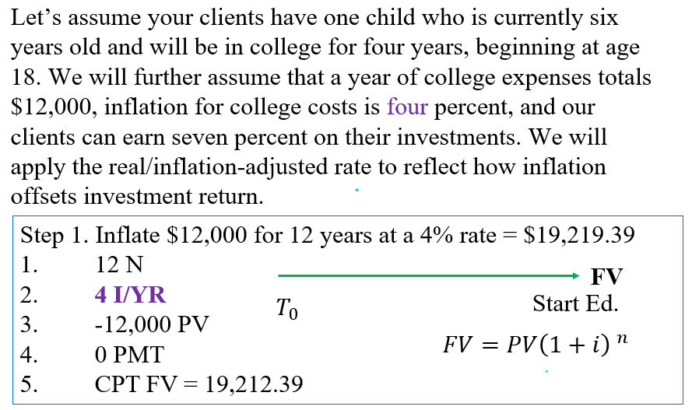
Cost of annual education in today's dollars | $12,000.00
Age of Child Today | 6.00
Age Start University | 18.00
Years Until University | 12.00
# Years of Program | 4.00
Net Return | 7.00%
Education Inflation | 4.0%
Real Return | 2.8846%
 | Step 1
Mode = END | 0 | END
xYears | 12.00
P/Y | 1
xP/Y = N | 12
I/Y | 4.00% | Inflation Rate
PV | $(12,000)
PMT | $-
CPT FV | $19,212.39
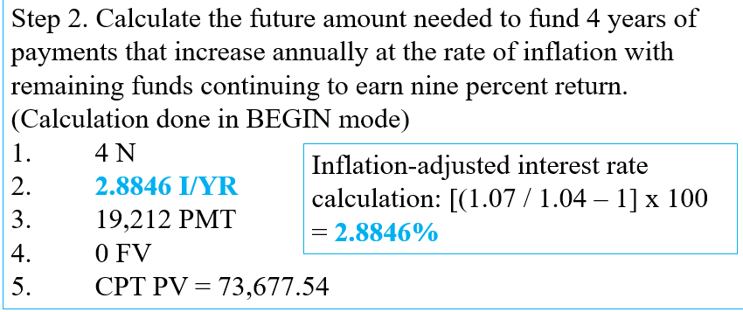
 | Step 2
Mode = BGN | 1 | BGN
xYears | 4.00
P/Y | 1
xP/Y = N | 4
I/Y | 2.8846% | Real Rate
PMT | $19,212
FV | $-
CPT PV | ($73,677.54)
LUMP SUM | Step 3 | END
Mode = END | 0
xYears | 12
P/Y | 1
xP/Y = N | 12
I/Y | 7.0000% | Nominal Rate
PMT | $-
FV | $73,677.54
CPT PV | ($32,713.71)
Monthly Savings at End of Every Month | Step 3 | END
Mode = END | 1
xYears | 12
P/Y | 12
xP/Y = N | 144
I/Y | 7.0000% | Nominal Rate
PV | $-
FV | ($73,677.54)
CPT PMT | $326.00

