Ret MCQ shell 1
Annual Income Today's dollars | $45,000.00
Years Until Retirement | 18.00
Years of Retirement | 20.00
Net Return | 6.00%
Inflation | 2.5%
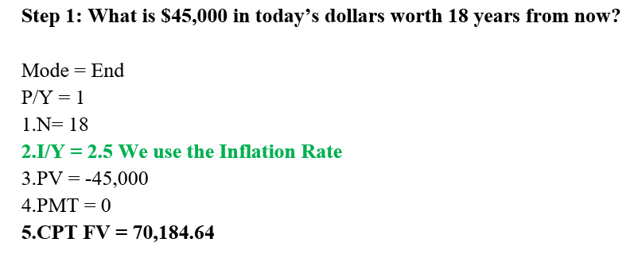
Real Return | 3.4146%
Mode = END | 0 | END
xYears | 18.00
P/Y | 1
xP/Y = N | 18
I/Y | 2.50% | Inflation Rate
PV | $(45,000)
PMT | $-
CPT FV | $70,184.64
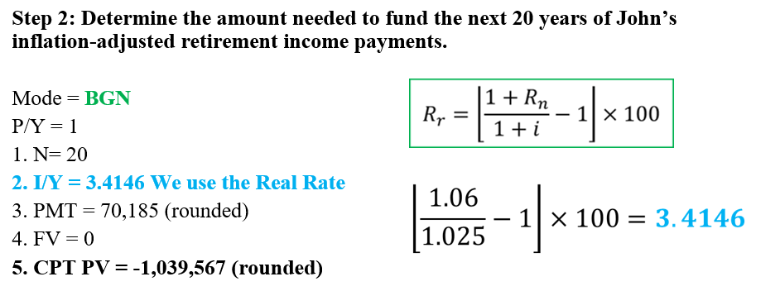
Mode = BGN | 1 | BGN
xYears | 20.00
P/Y | 1
xP/Y = N | 20
I/Y | 3.4146% | Real Rate
PMT | $70,185
FV | $-
CPT PV | ($1,039,566.79)

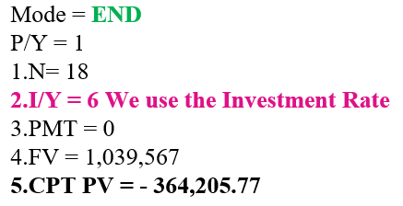
Mode = END | 0 | END
xYears | 18.00
P/Y | 1
xP/Y = N | 18
I/Y | 6.00% | Nominal Rate
PMT | $-
FV | ($1,039,566.79)
CPT PV | $364,205.77

Mode = END | 0 | END
xYears | 18
P/Y | 1
xP/Y = N | 18
I/Y | 6.00% | Nominal Rate
PV | $-
FV | $1,039,566.79
CPT PMT | ($33,636.79) | Annual PMT

Mode = END | 0 | END
xYears | 18
P/Y | 12
xP/Y = N | 216
I/Y | 6.00% | Nominal Rate
PV | $-
FV | ($1,039,566.79)
CPT PMT | $2,683.77 | Monthly PMT

Retirement IY Example
Step 1
Mode = END | 0
xYears | 18
P/Y | 1
xP/Y = N | 18
I/Y | 2.50%
PV | $(45,000)
PMT | 0
CPT FV | $70,184.64

Step 2 | 1 | 2 | 3 | 4 | 5 | 6 | 7 | 8 | 9 | 10 | 11 | 12 | 13 | 14 | 15 | 16 | 17 | 18 | 19 | 20
Beginning of Year | $1,039,567 | $1,027,545 | $1,012,942 | $995,557 | $975,174 | $951,566 | $924,488 | $893,681 | $858,868 | $819,756 | $776,032 | $727,361 | $673,389 | $613,738 | $548,007 | $475,768 | $396,567 | $309,920 | $215,314 | $112,201
Withdrawal at beginning of the year | $(70,185) | $(71,939) | $(73,738) | $(75,581) | $(77,471) | $(79,407) | $(81,393) | $(83,427) | $(85,513) | $(87,651) | $(89,842) | $(92,088) | $(94,391) | $(96,750) | $(99,169) | $(101,648) | $(104,189) | $(106,794) | $(109,464) | $(112,201)
Balance after Withdrawal | $969,382 | $955,606 | $939,204 | $919,976 | $897,703 | $872,158 | $843,095 | $810,253 | $773,355 | $732,105 | $686,189 | $635,272 | $578,998 | $516,988 | $448,838 | $374,120 | $292,378 | $203,126 | $105,850 | $(0)
Investment Return | $58,163 | $57,336 | $56,352 | $55,199 | $53,862 | $52,329 | $50,586 | $48,615 | $46,401 | $43,926 | $41,171 | $38,116 | $34,740 | $31,019 | $26,930 | $22,447 | $17,543 | $12,188 | $6,351 | $(0)
Balance at the end of the year | $1,027,545 | $1,012,942 | $995,557 | $975,174 | $951,566 | $924,488 | $893,681 | $858,868 | $819,756 | $776,032 | $727,361 | $673,389 | $613,738 | $548,007 | $475,768 | $396,567 | $309,920 | $215,314 | $112,201 | $(0)

$$R_{r}=\left\lfloor \frac{1+R_{n}}{1+i}−1\right\rfloor ×100$$
Investment Return | 6.0%
Inflation | 2.50%
Inlation adjusted Return | 3.4146%
Mode = BGN | 1
xYears | 20
P/Y | 1
xP/Y = N | 20
I/Y | 3.41%
PMT | $70,185
FV | 0
CPT PV | ($1,039,566.79)
 | 1 | 2 | 3 | 4 | 5 | 6 | 7 | 8 | 9 | 10 | 11 | 12 | 13 | 14 | 15 | 16 | 17 | 18 | 19 | 20
Beginning of Year | $853,313 | $830,116 | $803,667 | $773,726 | $740,033 | $702,316 | $660,283 | $613,624 | $562,008 | $505,085 | $442,480 | $373,796 | $298,610 | $216,472 | $126,905 | $29,400 | $(76,583) | $(191,619) | $(316,318) | $(451,329)
Withdrawal at beginning of the year | $(70,185) | $(71,939) | $(73,738) | $(75,581) | $(77,471) | $(79,407) | $(81,393) | $(83,427) | $(85,513) | $(87,651) | $(89,842) | $(92,088) | $(94,391) | $(96,750) | $(99,169) | $(101,648) | $(104,189) | $(106,794) | $(109,464) | $(112,201)
Balance after Withdrawal | $783,128 | $758,177 | $729,930 | $698,144 | $662,562 | $622,909 | $578,890 | $530,196 | $476,495 | $417,434 | $352,637 | $281,707 | $204,219 | $119,722 | $27,736 | $(72,248) | $(180,772) | $(298,413) | $(425,782) | $(563,529)
Investment Return | $46,988 | $45,491 | $43,796 | $41,889 | $39,754 | $37,375 | $34,733 | $31,812 | $28,590 | $25,046 | $21,158 | $16,902 | $12,253 | $7,183 | $1,664 | $(4,335) | $(10,846) | $(17,905) | $(25,547) | $(33,812)
Balance at the end of the year | $830,116 | $803,667 | $773,726 | $740,033 | $702,316 | $660,283 | $613,624 | $562,008 | $505,085 | $442,480 | $373,796 | $298,610 | $216,472 | $126,905 | $29,400 | $(76,583) | $(191,619) | $(316,318) | $(451,329) | $(597,341)

Investment Return | 6.0%
Inflation | 2.50%
Inlation adjusted Return | 3.4146%
Mode = BGN | 1
xYears | 20
P/Y | 1
xP/Y = N | 20
I/Y | 6.00% | Investment Return | Wrong
PMT | $70,185
FV | 0
CPT PV | ($853,313.06)
 | 1 | 2 | 3 | 4 | 5 | 6 | 7 | 8 | 9 | 10 | 11 | 12 | 13 | 14 | 15 | 16 | 17 | 18 | 19 | 20
Beginning of Year | $853,313 | $830,116 | $805,527 | $779,463 | $751,835 | $722,550 | $691,507 | $658,602 | $623,722 | $586,750 | $547,559 | $506,017 | $461,982 | $415,305 | $365,828 | $313,382 | $257,789 | $198,861 | $136,397 | $70,185
Withdrawal at beginning of the year | $(70,185) | $(70,185) | $(70,185) | $(70,185) | $(70,185) | $(70,185) | $(70,185) | $(70,185) | $(70,185) | $(70,185) | $(70,185) | $(70,185) | $(70,185) | $(70,185) | $(70,185) | $(70,185) | $(70,185) | $(70,185) | $(70,185) | $(70,185)
Balance after Withdrawal | $783,128 | $759,931 | $735,343 | $709,279 | $681,651 | $652,365 | $621,322 | $588,417 | $553,537 | $516,565 | $477,374 | $435,832 | $391,797 | $345,121 | $295,643 | $243,197 | $187,604 | $128,676 | $66,212 | $0
Investment Return | $46,988 | $45,596 | $44,121 | $42,557 | $40,899 | $39,142 | $37,279 | $35,305 | $33,212 | $30,994 | $28,642 | $26,150 | $23,508 | $20,707 | $17,739 | $14,592 | $11,256 | $7,721 | $3,973 | $0
Balance at the end of the year | $830,116 | $805,527 | $779,463 | $751,835 | $722,550 | $691,507 | $658,602 | $623,722 | $586,750 | $547,559 | $506,017 | $461,982 | $415,305 | $365,828 | $313,382 | $257,789 | $198,861 | $136,397 | $70,185 | $0

Investment Return | 6.0%
Inflation | 2.50%
Inlation adjusted Return | 3.4146%
Mode = BGN | 1
xYears | 20
P/Y | 1
xP/Y = N | 20
I/Y | 6.00% | Investment Return | Wrong
PMT | $70,185
FV | 0
CPT PV | ($853,313.06)

Step 3
John may decide to fund his future retirement need by making one deposit now, or by making payments each year between now and his retirement in 18 years (or some combination of the two).
Mode = END | 0 |  |  | 1 | 2 | 3 | 4 | 5 | 6 | 7 | 8 | 9 | 10 | 11 | 12 | 13 | 14 | 15 | 16 | 17 | 18
xYears | 18 |  | Beginning of Period | $364,206 | $386,058 | $409,222 | $433,775 | $459,801 | $487,389 | $516,633 | $547,631 | $580,489 | $615,318 | $652,237 | $691,371 | $732,854 | $776,825 | $823,434 | $872,840 | $925,211 | $980,723
P/Y | 1 |  | Investment Return every 6 Months | $21,852 | $23,163 | $24,553 | $26,026 | $27,588 | $29,243 | $30,998 | $32,858 | $34,829 | $36,919 | $39,134 | $41,482 | $43,971 | $46,609 | $49,406 | $52,370 | $55,513 | $58,843
xP/Y = N | 18 |  | Balance at the end of the Period | $386,058 | $409,222 | $433,775 | $459,801 | $487,389 | $516,633 | $547,631 | $580,489 | $615,318 | $652,237 | $691,371 | $732,854 | $776,825 | $823,434 | $872,840 | $925,211 | $980,723 | $1,039,567
I/Y | 6% | We use Nominal Rate
PMT | $-
FV | $1,039,567
CPT PV | $(364,205.77)

Yearly Savings
Mode = END | 0 |  |  | 1 | 2 | 3 | 4 | 5 | 6 | 7 | 8 | 9 | 10 | 11 | 12 | 13 | 14 | 15 | 16 | 17 | 18
xYears | 18 |  | Beginning of Year | $- | $33,637 | $69,292 | $107,086 | $147,148 | $189,614 | $234,627 | $282,342 | $332,919 | $386,531 | $443,360 | $503,598 | $567,451 | $635,134 | $706,879 | $782,929 | $863,541 | $948,991
P/Y | 1 |  | Investment Return | $- | $2,018 | $4,158 | $6,425 | $8,829 | $11,377 | $14,078 | $16,941 | $19,975 | $23,192 | $26,602 | $30,216 | $34,047 | $38,108 | $42,413 | $46,976 | $51,812 | $56,939
xP/Y = N | 18 |  | Payment End of Year | $33,637 | $33,637 | $33,637 | $33,637 | $33,637 | $33,637 | $33,637 | $33,637 | $33,637 | $33,637 | $33,637 | $33,637 | $33,637 | $33,637 | $33,637 | $33,637 | $33,637 | $33,637
I/Y | 6% |  | Balance at the end of the year | $33,637 | $69,292 | $107,086 | $147,148 | $189,614 | $234,627 | $282,342 | $332,919 | $386,531 | $443,360 | $503,598 | $567,451 | $635,134 | $706,879 | $782,929 | $863,541 | $948,991 | $1,039,567
PV | $-
FV | $1,039,567
CPT PMT | ($33,636.79)

Mode = BGN | 1 |  |  | 1 | 2 | 3 | 4 | 5 | 6 | 7 | 8 | 9 | 10 | 11 | 12 | 13 | 14 | 15 | 16 | 17 | 18
xYears | 18 |  | Beginning of Year | $- | $33,637 | $69,292 | $107,086 | $147,148 | $189,614 | $234,627 | $282,342 | $332,919 | $386,531 | $443,360 | $503,598 | $567,451 | $635,134 | $706,879 | $782,929 | $863,541 | $948,991
P/Y | 1 |  | Payment at beginning of the year | $31,733 | $31,733 | $31,733 | $31,733 | $31,733 | $31,733 | $31,733 | $31,733 | $31,733 | $31,733 | $31,733 | $31,733 | $31,733 | $31,733 | $31,733 | $31,733 | $31,733 | $31,733
xP/Y = N | 18 |  | Balance after PMT | $31,733 | $65,370 | $101,025 | $138,819 | $178,881 | $221,347 | $266,360 | $314,075 | $364,652 | $418,264 | $475,092 | $535,331 | $599,183 | $666,867 | $738,612 | $814,662 | $895,274 | $980,723
I/Y | 6% |  | Investment Return | $1,904 | $3,922 | $6,061 | $8,329 | $10,733 | $13,281 | $15,982 | $18,844 | $21,879 | $25,096 | $28,506 | $32,120 | $35,951 | $40,012 | $44,317 | $48,880 | $53,716 | $58,843
PV | $- |  | Balance at the end of the year | $33,637 | $69,292 | $107,086 | $147,148 | $189,614 | $234,627 | $282,342 | $332,919 | $386,531 | $443,360 | $503,598 | $567,451 | $635,134 | $706,879 | $782,929 | $863,541 | $948,991 | $1,039,567
FV | $1,039,567
CPT PMT | ($31,732.82)

Ted Added = Monthly Savings
Mode = END | 0
xYears | 18
P/Y | 12
xP/Y = N | 216
I/Y | 6%
PV | $-
FV | $1,039,567
CPT PMT | ($2,683.77)

Mode = BGN | 1
xYears | 18
P/Y | 12
xP/Y = N | 216
I/Y | 6%
PV | $-
FV | $1,039,567
CPT PMT | ($2,670.42)

Assume John wants to retire 18 years from now with the inflation-adjusted equivalent of $45,000 additional annual income (above benefits provided by a government or employer pension). Annual inflation is stable at 2.5 percent. portfolio is earning six percent annualized net of fees. Plan for 20 years of inflation-adjusted income in retirement.

