CFA 3.2 Direct
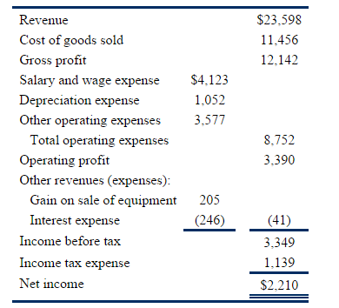
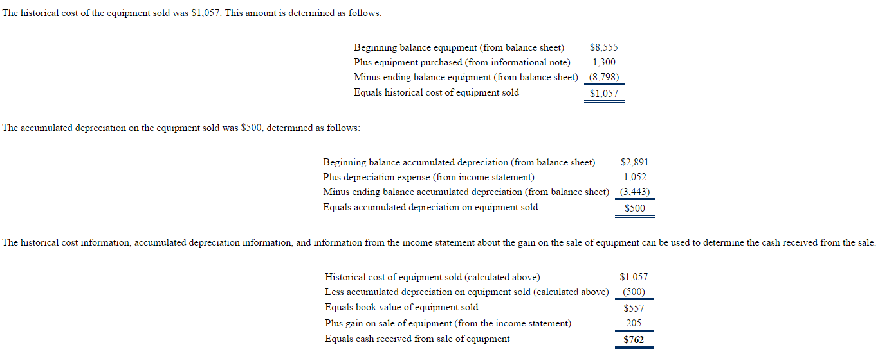
 |  |  |  | % Sales
Income Statement | 2009 |  |  |  | 2009
Sales |  | $23,598 |  |  | 100%
CGS |  | $11,456 |  |  | 49%
Gross Profit |  | $12,142 |  |  | 51%
Salaries & Wages | $4,123 |  |  |  | 17%
Depreciation Expense | $1,052 |  |  |  | 4%
Other Operating | $3,577 |  |  |  | 15%
Total Operating Expenses |  | $8,752 |  |  | 37%
EBIT = Operating Profit |  | $3,390 |  |  | 14%
Gain on Sale Equipment | $205 |  |  |  | 1%
Interest | ($246) | ($41) |  |  | -1%
EBT |  | $3,349 |  |  | 14%
Taxes |  | $1,139 | 34.01% |  | 5%
Net Income |  | $2,210 |  |  | 9.37%
Balance Sheet | 2009 | 2008 |  | 2009 | 2008
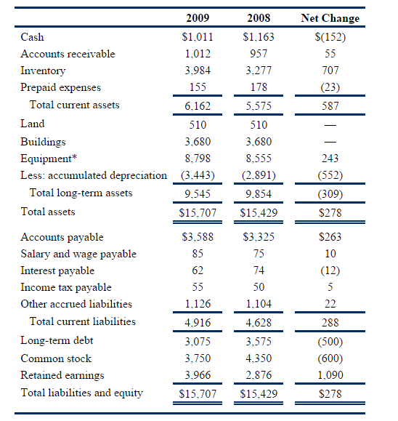
Cash | $1,011 | $1,163 |  | 6.4% | 7.5%
AR | $1,012 | $957 |  | 6.4% | 6.2%
Inventory | $3,984 | $3,277 |  | 25.4% | 21.2%
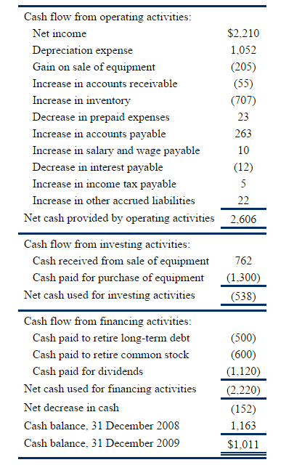
Prepaid Expenses | $155 | $178 |  | 1.0% | 1.2%
Total CA | $6,162 | $5,575 |  | 39.2% | 36.1%
Land | $510 | $510 |  | 3.2% | 3.3%
Buildings | $3,680 | $3,680 |  | 23.4% | 23.9%
Equipment | $8,798 | $8,555 |  | 56.0% | 55.4%
Less Acc Dep | (3,443) | (2,891) |  | -21.9% | -18.7%
Total Assets | $15,707 | $15,429 |  | 100.0% | 100.0%

AP | $3,588 | $3,325 |  | 22.8% | 21.6%
Salaries Payable | $85 | $75 |  | 0.5% | 0.5%
Interest Payable | $62 | $74 |  | 0.4% | 0.5%
Income Tax Payable | $55 | $50 |  | 0.4% | 0.3%
Other Accrued liabilities | $1,126 | $1,104 |  | 7.2% | 7.2%
Total CL | $4,916 | $4,628 |  | 31.3% | 30.0%
Long Term Liabilities | $3,075 | $3,575 |  | 19.6% | 23.2%
Total Liabilities | $7,991 | $8,203 |  | 50.9% | 53.2%
Preferred Stock (10%, $100 Par) | $- | $- |  | 0.0% | 0.0%
Common Stock | $3,750 | $4,350 |  | 23.9% | 28.2%
Additioanl Paid Up Capital | $- | $- |  | 0.0% | 0.0%
Retained Earnings | $3,966 | $2,876 |  | 25.2% | 18.6%
Treasury Stock | $- | $- |  | 0.0% | 0.0%
Total Shareholder Equity | $7,716 | $7,226 |  | 49.1% | 46.8%
Total Liabilities & SHE | $15,707 | $15,429 |  | 100.0% | 100.0%
3.2.1.1. Cash Received from Customers
Revenue | $23,598.00 |  | AR
Less Increase AR | ($55.00) |  | Debit |  |  | Credit
Cash from Customers | $23,543.00 |  | Date |  | Amt | Date |  | Amt
 |  |  | Given | OB | $957.00
3.2.1.2. Cash Paid to Suppliers |  |  | Given | Sales | $23,598.00 | $23,543.00 | Collections
Cost of Goods Sold | $11,456.00 |  | Given | C/B | $1,012.00
Plus Increase Inventory | $707.00
Purchases | $12,163.00
Less Increase in AP | ($263.00)
Cash Paid to Supplier | $11,900.00 | 48.66%

3.2.1.3. Cash Paid to Employees
Salaries & Wages | $4,123.00 |  | Salaries Payable
Less Increase In Salaries Payable | ($10.00) |  | Debit |  |  | Credit
Cash Paid to Employees | $4,113.00 | 16.82% | Date |  | Amt | Date |  | Amt
 |  |  |  |  |  | $75.00 | O/B | Given
3.2.1.4. Cash Paid for Other Operating |  |  |  | Wages Paid | $4,113.00 | $4,123.00 | I/S | Given
Other Operating | $3,577.00 |  |  |  |  | $85 | C/B | Given
Less Decrease Prepaid | ($23.00)
Less Increase in Other Accrued Liabilities | ($22.00)
Cash Paid for Other Operating | $3,532.00 | 14.44%

3.2.1.5. Cash Paid for Interest
Interest Expense | $246.00 |  | Interest Payable
Plus Decrease interest Payable | $12 |  | Debit |  |  | Credit
Cash Paid for Interest | $258.00 | 1.05% | Date |  | Amt | Date |  | Amt
 |  |  |  |  |  | $74.00 | O/B | Given
3.2.1.6. Cash Paid for Income Taxes |  |  |  | Interest Paid | $258.00 | $246.00 | I/S | Given
Income Tax Expense | $1,139 |  |  |  |  | $62 | C/B | Given
Less Increase in Tax Payable | ($5.00)
Cash Paid for Taxes | $1,134.00 | 4.64%

3.2.2. Investing Activities |  |  | PP & E
Beginning Balance Equipment | $8,555.00 | Given | Debit |  |  | Credit
Equipment Bought | $1,300.00 | 5.32% | Date |  | Amt | Date |  | Amt
Minus Ending Balance | $8,798.00 | Given |  | OB | $8,555.00
Equals Equipment Sold | $1,057.00 | Calculate |  | Plus | $1,300.00 | $1,057.00
 |  |  | Given | Bal | $8,798.00
Beginning Acc Dep | $2,891.00 | Given
Plus Depreciation | $1,052.00 | Given | Acc. Dep
Less Ending Balance | $3,443.00 | Given | Debit |  |  | Credit
Acc Dep Equipment Sold | $500.00 | Calculate | Date |  | Amt | Date |  | Amt
 |  |  |  |  |  | $2,891.00
NBV Equipment Sold | $557.00 | Calculate | Acc Dep Sold |  | $500.00 | $1,052.00
Gain on Sale | $205.00 | Given |  |  |  | $3,443
Cash from Sold Equipment | $762.00 | Calculate
 |  |  |  |  |  | NBV Sold | $557.00
3.2.3. Financing Activities |  |  |  |  |  | Gain on Sale | $205
Change in Long Term Debt | ($500.00) | 2.04% |  |  |  | Cash | $762.00
Change in Common Stock | ($600.00) | 2.45%

O/B Retained Earnings | $2,876.00 | Given
Plus Net Income | $2,210.00 | Given
Less Ending Balance | $3,966.00 | Given
Equals Dividends | $1,120.00 | 4.58%
 |  | 100.00%
Total Inflow | $24,305.00
Total Outlow | $24,457.00
CFO
Cash from Customers | $23,543.00
Cash Paid to Supplier | ($11,900.00)
Cash Paid to Employees | ($4,113.00)
Cash Paid for Other Operating | ($3,532.00)
Cash Paid for Interest | ($258.00)
Cash Paid for Taxes | ($1,134.00)
Net Cash from Ops | $2,606.00
CFI
Equipment Bought | ($1,300.00)
Cash from Sold Equipment | $762.00
Net Cash Investing | ($538.00)
CFF
Change in Long Term Debt | ($500.00)
Change in Common Stock | ($600.00)
Equals Dividends | ($1,120.00)
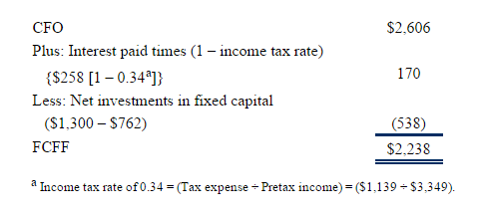
Net Cash from Financing | ($2,220.00)

Net Change Cash | ($152.00)
Opening Cash Balance | $1,163
Closing Balance | $1,011.00

FCFF
CFO | $2,606
Plus Interest Paid x (1-Tax Rate) | $170
Less CFI | ($538)
 | $2,238

FCFE
CFO | $2,606
Less Net Investments in Fixed Cap | ($538)
Less: Debt Repayment | ($500)
 | $1,568

AR n RE
AR
Debit |  |  | Credit |  |  |  | AFDA
Date |  | Amt | Date |  | Amt |  | Debit |  | Credit
Given | OB | $13,500.00 |  |  |  |  |  |  | 56.00 | OB | Given
Given | Plus | $100,000.00 | $88,500.00 | Calculate |  |  | Given | $84.00
Given | Bal | $25,000.00 |  |  |  |  |  |  | X | Calclate
 |  |  |  |  |  |  |  |  | 92.00 | CB | Given

OB + Sales - CB : 13,500 + 100 ,000 - 25,000 = 88,500 |  |  |  |  |  |  | 56 + X - 84 = 92

 |  |  |  |  |  |  | X = 92 + 84 - 86 = 120
AR
Debit |  |  | Credit |  |  |  |  | A = L + E
Date |  | Amt | Date |  | Amt |  |  | 5,250 = 2,200 + E
Given | OB | € 6,000,000 |  |  |  |  |  | E = 3,050
Given | Plus | € 50,000,000 | X | Calculate |  |  |  | Capital = 1,400
Given | Bal | € 7,500,000 |  |  |  |  |  | Retained Earings = 3,050 - 1,400 = 1,650
 |  |  |  |  |  |  | RE
OB + Sales - X = CB |  |  |  |  |  |  | Debit |  | Credit
X = OB + Sales - CB
OB + Sales - CB : 6,000,000 + 50,000,000 - 7,500,000 = 48,500,000 |  |  |  |  |  |  |  |  | $800 | OB | Given
 |  |  |  |  |  | Dividned | Given | $200
 |  |  |  |  |  |  |  |  | X | Calclate
 |  |  |  |  |  |  |  |  | $1,650 | CB | Given

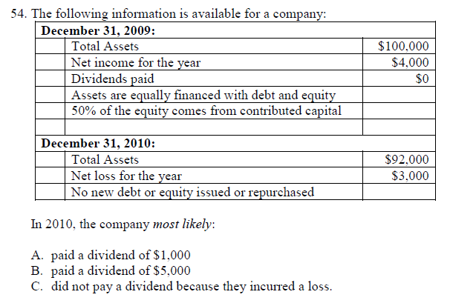
 |  |  |  |  |  |  | 800 + X - 200 = 1,650
 |  |  |  |  |  |  | X= 1,650 + 200 - 800 = 1,050

 |  |  |  |  |  |  | RE
 |  |  |  |  |  |  | Debit |  | Credit

 |  |  |  |  |  |  |  |  | $800.00 | OB | Given
 |  |  |  |  |  | Dividned | Given | $200
 |  |  |  |  |  |  |  |  | X | Calclate
 |  |  |  |  |  |  |  |  | $1,650 | CB | Given

 |  |  |  |  |  |  | 800 + X - 200 = 1,650
 |  |  |  |  |  |  | X= 1,650 + 200 - 800 = 1,050

 |  |  |  |  |  |  | Equity
 |  |  |  |  |  |  | Debit |  | Credit

 |  |  |  |  |  |  |  |  | ¥200,000.00 | OB
 |  |  |  |  |  |  |  |  | ¥50,000.00 | RE
 |  |  |  |  |  |  |  |  | ¥42,000.00 | Income
 |  |  |  |  |  |  | Div | ¥7,000.00
 |  |  |  |  |  |  | Loss | ¥3,000.00
 |  |  |  |  |  |  | TS | ¥6,000.00
 |  |  |  |  |  |  |  |  | ¥276,000.00

 | AR
 | Debit |  |  | Credit
 | Date |  | Amt | Date |  | Amt
 | Given | OB | $13,500.00
 | Given | Plus | $100,000.00 | X | Calculate
 | Given | Bal | $25,000.00

 | OB + Sales - X = CB
 | X = OB + Sales - CB
 | OB + Sales - CB : 13,500 + 100,000 - 25,000 = 88,500

 |  |  |  |  |  |  | Equity
 |  |  |  |  |  |  | Debit |  | Credit

 |  |  |  |  |  |  |  |  | $10,000 | OB
 |  |  |  |  |  |  |  |  | $6,000 | RE
 |  |  |  |  |  |  |  |  | $4,000 | Income
 |  |  |  |  |  |  |  |  | $1,000 | Shares
 |  |  |  |  |  |  |  | $600
 |  |  |  |  |  |  |  |  | $20,400

ROE
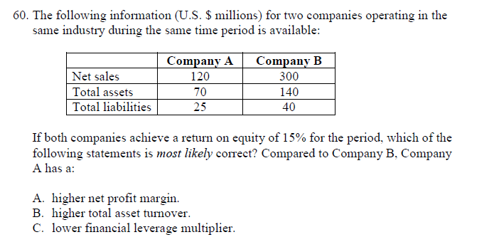

 | A | B
Net Sales | 120 | 300
Total Assets | 70 | 140
Total Liabilities | 25 | 40
EQUITY | 45 | 100

Sales / Assets | 1.71 | 2.14
Assets / Equity | 1.56 | 1.40

Multiply | 2.67 | 3.00

To get same ROE NI/Sales for A > B

