2023 Exam Weightings
Topic | Topic | Weight | Weight | Exam Qs | Exam Qs | Modules | LOS | 2023 Learning Modules
1 | Quantitative Methods | 8.00% | 12.00% | 14.40 | 21.60 | 7 | 81 | 1,2,3,4,5,6,7
2 | Economics | 8.00% | 12.00% | 14.40 | 21.60 | 8 | 83 | 8,9,10,11,12,13,14,15
3 | Financial Reporting & Analysis | 13.00% | 17.00% | 23.40 | 30.60 | 12 | 107 | 16,17,18,19,20,21,22,23,24,25,26,27
4 | Corporate Issuers | 8.00% | 12.00% | 14.40 | 21.60 | 8 | 40 | 28,29,30,31,32,33,34,35
5 | Equity Investments | 10.00% | 12.00% | 18.00 | 21.60 | 6 | 62 | 36,37,38,39,40,41
6 | Fixed Income | 10.00% | 12.00% | 18.00 | 21.60 | 6 | 60 | 42,43,44,45,46,47
7 | Derivatives | 5.00% | 8.00% | 9.00 | 14.40 | 10 | 23 | 48,49,50,51,52,53,54,55,56,57
8 | Alternative Investments | 5.00% | 8.00% | 9.00 | 14.40 | 3 | 11 | 58,59,60
9 | Portfolio Management | 5.00% | 8.00% | 9.00 | 14.40 | 8 | 55 | 61,62,63,64,65,66,67,68
10 | Ethical & Professional Standards | 15.00% | 20.00% | 27.00 | 36.00 | 5 | 21 | 69,70,71,72,73
 |  | 87.00% | 121.00% | 156.60 | 217.80 | 73 | 543
 |  |  |  | 180
 |  |  |  |  |  |  |  | https://www.cfainstitute.org/programs/cfa/exam/level-i
 | Session 1 |  |  | Exam Qs | Exam Qs
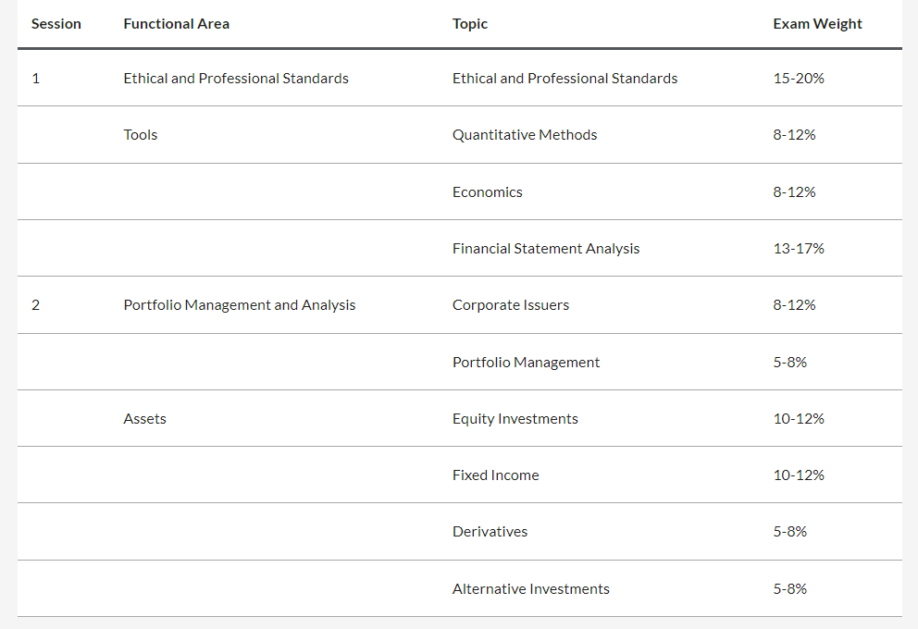
1 | Ethical & Professional Standards | 15.00% | 20.00% | 27.00 | 36.00
2 | Quantitative Methods | 8.00% | 12.00% | 14.40 | 21.60
3 | Economics | 8.00% | 12.00% | 14.40 | 21.60
4 | Financial Reporting & Analysis | 13.00% | 17.00% | 23.40 | 30.60
 | Session 1 | 44.00% | 61.00% | 79.20 | 109.80

 | Session 2 |  |  | Exam Qs | Exam Qs
5 | Corporate Issuers | 8.00% | 12.00% | 14.40 | 21.60
6 | Portfolio Management | 5.00% | 8.00% | 9.00 | 14.40
7 | Equity Investments | 10.00% | 12.00% | 18.00 | 21.60
8 | Fixed Income | 10.00% | 12.00% | 18.00 | 21.60
9 | Derivatives | 5.00% | 8.00% | 9.00 | 14.40
10 | Alternative Investments | 5.00% | 8.00% | 9.00 | 14.40
 | Session 2 | 43.00% | 60.00% | 77.40 | 108.00

 |  |  | Check | 156.60 | 217.80

 | The Level I computer-based exam consists of 180 multiple choice questions, split between two 135-minute sessions (session times are approximate). There is an optional break between sessions. Candidates must take both sessions in order to receive an exam result.

 | First session (2 hours, 15 minutes): 90 multiple choice questions, covering the topics of ethics & professional standards, quantitative methods, economics, and financial statement analysis
 | Second session (2 hours, 15 minutes): 90 multiple choice questions, covering the topics of corporate finance, equity, fixed income, derivatives, alternative investments and portfolio management

