Quick Calc
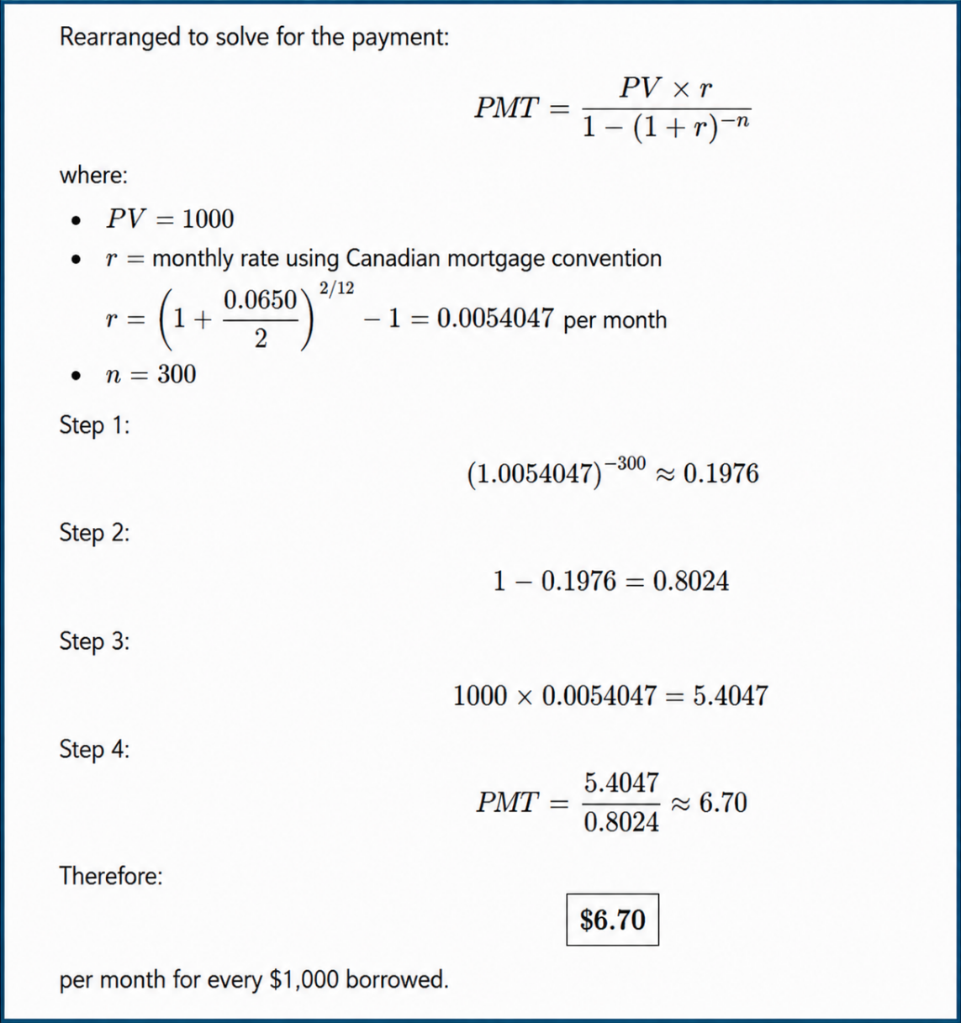
 | Example A
Step 1: Determine your monthly gross income (annual income divided by 12). | $200,000
 |  | 12
Step 2: With a down payment of at least 10 percent, lenders use 32 percent of monthly gross income as a guideline for the GDS ratio, and 40 percent of monthly gross income as a guideline for the TDS ratio. | $16,667
 |  | 40%
 | $6,667
Step 3: Subtract other debt payments (e.g., payments on an auto loan) and an estimate of the monthly cost of property taxes, heating, and half of the condo fees if applicable. | $(2,000)

(a) Affordable monthly mortgage payment | $4,667

Step 4: Divide this amount by the monthly mortgage payment based on current mortgage rates—a 6.5 percent, 25-year loan, for example (see table) and multiply by $1,000. | $6.70 | $1,000.00

(b) Affordable mortgage amount | $696,517
Step 5: Divide your affordable mortgage amount by 1 minus the fractional portion of your down payment (e.g., a 25 percent down payment). |  | 25%
(c) Affordable home purchase price | $928,690

 |  |  | Term Rate | 25 Years | 20 Years | 15 Years
 |  |  | 4.0% | $5.26 | $6.04 | $7.38
 |  |  | 4.5% | $5.53 | $6.30 | $7.63
 |  |  | 5.0% | $5.83 | $6.57 | $7.88
 |  |  | 5.5% | $6.10 | $6.84 | $8.14
 |  |  | 6.0% | $6.40 | $7.12 | $8.40
 |  |  | 6.5% | $6.70 | $7.41 | $8.66
 |  |  | 7.0% | $7.00 | $7.69 | $8.93
 |  |  | 7.5% | $7.32 | $7.99 | $9.21
 |  |  | 8.0% | $7.63 | $8.28 | $9.48
 |  |  | 8.5% | $7.95 | $8.59 | $9.76
 |  |  | 9.0% | $8.28 | $8.89 | $10.05
 |  |  | 9.5% | $8.61 | $9.20 | $10.33
 |  |  | 10.0% | $8.94 | $9.52 | $10.62

25 Year Pay BGN
 | Time | 0 | 1 | 2 | 3 | 4 | 5 | 6 | 7 | 8 | 9 | 10 | 11 | 12 | 13 | 14 | 15 | 16 | 17 | 18 | 19 | 20 | 21 | 22 | 23 | 24 | 25 | 26 | 27 | 28 | 29 | 30 | 31 | 32 | 33 | 34 | 35 | 36 | 37 | 38 | 39 | 40 | 41 | 42 | 43 | 44 | 45 | 46 | 47 | 48 | 49 | 50 | 51 | 52 | 53 | 54 | 55 | 56 | 57 | 58 | 59 | 60 | 61 | 62 | 63 | 64 | 65 | 66 | 67 | 68 | 69 | 70 | 71 | 72 | 73 | 74 | 75 | 76 | 77 | 78 | 79 | 80 | 81 | 82 | 83 | 84 | 85 | 86 | 87 | 88 | 89 | 90 | 91 | 92 | 93 | 94 | 95 | 96 | 97 | 98 | 99 | 100 | 101 | 102 | 103 | 104 | 105 | 106 | 107 | 108 | 109 | 110 | 111 | 112 | 113 | 114 | 115 | 116 | 117 | 118 | 119 | 120 | 121 | 122 | 123 | 124 | 125 | 126 | 127 | 128 | 129 | 130 | 131 | 132 | 133 | 134 | 135 | 136 | 137 | 138 | 139 | 140 | 141 | 142 | 143 | 144 | 145 | 146 | 147 | 148 | 149 | 150 | 151 | 152 | 153 | 154 | 155 | 156 | 157 | 158 | 159 | 160 | 161 | 162 | 163 | 164 | 165 | 166 | 167 | 168 | 169 | 170 | 171 | 172 | 173 | 174 | 175 | 176 | 177 | 178 | 179 | 180 | 181 | 182 | 183 | 184 | 185 | 186 | 187 | 188 | 189 | 190 | 191 | 192 | 193 | 194 | 195 | 196 | 197 | 198 | 199 | 200 | 201 | 202 | 203 | 204 | 205 | 206 | 207 | 208 | 209 | 210 | 211 | 212 | 213 | 214 | 215 | 216 | 217 | 218 | 219 | 220 | 221 | 222 | 223 | 224 | 225 | 226 | 227 | 228 | 229 | 230 | 231 | 232 | 233 | 234 | 235 | 236 | 237 | 238 | 239 | 240 | 241 | 242 | 243 | 244 | 245 | 246 | 247 | 248 | 249 | 250 | 251 | 252 | 253
 | Principal Opening Balance | $696,517.41 |  | $691,840 | $690,910 | $689,975 | $689,034 | $688,089 | $687,138 | $686,183 | $685,222 | $684,256 | $683,285 | $682,308 | $681,327 | $680,340 | $679,347 | $678,349 | $677,346 | $676,338 | $675,323 | $674,304 | $673,279 | $672,248 | $671,212 | $670,170 | $669,122 | $668,069 | $667,010 | $665,946 | $664,875 | $663,799 | $662,717 | $661,629 | $660,535 | $659,436 | $658,330 | $657,218 | $656,101 | $654,977 | $653,847 | $652,711 | $651,569 | $650,421 | $649,267 | $648,106 | $646,939 | $645,765 | $644,586 | $643,400 | $642,207 | $641,008 | $639,803 | $638,591 | $637,372 | $636,147 | $634,915 | $633,677 | $632,431 | $631,180 | $629,921 | $628,655 | $627,383 | $626,104 | $624,817 | $623,524 | $622,224 | $620,917 | $619,603 | $618,281 | $616,953 | $615,617 | $614,274 | $612,924 | $611,566 | $610,201 | $608,829 | $607,449 | $606,062 | $604,667 | $603,265 | $601,855 | $600,437 | $599,012 | $597,579 | $596,138 | $594,690 | $593,233 | $591,769 | $590,297 | $588,817 | $587,329 | $585,832 | $584,328 | $582,815 | $581,295 | $579,766 | $578,229 | $576,683 | $575,129 | $573,567 | $571,996 | $570,417 | $568,829 | $567,233 | $565,627 | $564,014 | $562,391 | $560,760 | $559,120 | $557,471 | $555,813 | $554,146 | $552,470 | $550,785 | $549,091 | $547,387 | $545,675 | $543,953 | $542,222 | $540,481 | $538,731 | $536,972 | $535,203 | $533,424 | $531,636 | $529,838 | $528,030 | $526,213 | $524,385 | $522,548 | $520,701 | $518,844 | $516,977 | $515,100 | $513,212 | $511,314 | $509,406 | $507,488 | $505,559 | $503,620 | $501,671 | $499,710 | $497,739 | $495,758 | $493,766 | $491,763 | $489,749 | $487,724 | $485,688 | $483,641 | $481,584 | $479,515 | $477,434 | $475,343 | $473,240 | $471,126 | $469,000 | $466,863 | $464,714 | $462,554 | $460,382 | $458,198 | $456,002 | $453,795 | $451,575 | $449,343 | $447,100 | $444,844 | $442,576 | $440,296 | $438,003 | $435,698 | $433,380 | $431,050 | $428,707 | $426,352 | $423,984 | $421,603 | $419,209 | $416,802 | $414,382 | $411,949 | $409,503 | $407,043 | $404,571 | $402,084 | $399,585 | $397,072 | $394,545 | $392,004 | $389,450 | $386,882 | $384,300 | $381,704 | $379,094 | $376,470 | $373,831 | $371,179 | $368,512 | $365,830 | $363,134 | $360,424 | $357,698 | $354,958 | $352,203 | $349,434 | $346,649 | $343,849 | $341,034 | $338,203 | $335,358 | $332,497 | $329,620 | $326,728 | $323,820 | $320,896 | $317,957 | $315,002 | $312,030 | $309,043 | $306,039 | $303,019 | $299,983 | $296,931 | $293,861 | $290,775 | $287,673 | $284,554 | $281,417 | $278,264 | $275,094 | $271,906 | $268,701 | $265,479 | $262,240 | $258,983 | $255,708 | $252,415 | $249,105 | $245,777 | $242,430 | $239,066 | $235,683 | $232,282 | $228,863 | $225,425 | $221,968 | $218,493 | $214,999 | $211,486 | $207,954 | $204,403 | $200,832 | $197,243
 | Payment |  | $4,678 | $4,678 | $4,678 | $4,678 | $4,678 | $4,678 | $4,678 | $4,678 | $4,678 | $4,678 | $4,678 | $4,678 | $4,678 | $4,678 | $4,678 | $4,678 | $4,678 | $4,678 | $4,678 | $4,678 | $4,678 | $4,678 | $4,678 | $4,678 | $4,678 | $4,678 | $4,678 | $4,678 | $4,678 | $4,678 | $4,678 | $4,678 | $4,678 | $4,678 | $4,678 | $4,678 | $4,678 | $4,678 | $4,678 | $4,678 | $4,678 | $4,678 | $4,678 | $4,678 | $4,678 | $4,678 | $4,678 | $4,678 | $4,678 | $4,678 | $4,678 | $4,678 | $4,678 | $4,678 | $4,678 | $4,678 | $4,678 | $4,678 | $4,678 | $4,678 | $4,678 | $4,678 | $4,678 | $4,678 | $4,678 | $4,678 | $4,678 | $4,678 | $4,678 | $4,678 | $4,678 | $4,678 | $4,678 | $4,678 | $4,678 | $4,678 | $4,678 | $4,678 | $4,678 | $4,678 | $4,678 | $4,678 | $4,678 | $4,678 | $4,678 | $4,678 | $4,678 | $4,678 | $4,678 | $4,678 | $4,678 | $4,678 | $4,678 | $4,678 | $4,678 | $4,678 | $4,678 | $4,678 | $4,678 | $4,678 | $4,678 | $4,678 | $4,678 | $4,678 | $4,678 | $4,678 | $4,678 | $4,678 | $4,678 | $4,678 | $4,678 | $4,678 | $4,678 | $4,678 | $4,678 | $4,678 | $4,678 | $4,678 | $4,678 | $4,678 | $4,678 | $4,678 | $4,678 | $4,678 | $4,678 | $4,678 | $4,678 | $4,678 | $4,678 | $4,678 | $4,678 | $4,678 | $4,678 | $4,678 | $4,678 | $4,678 | $4,678 | $4,678 | $4,678 | $4,678 | $4,678 | $4,678 | $4,678 | $4,678 | $4,678 | $4,678 | $4,678 | $4,678 | $4,678 | $4,678 | $4,678 | $4,678 | $4,678 | $4,678 | $4,678 | $4,678 | $4,678 | $4,678 | $4,678 | $4,678 | $4,678 | $4,678 | $4,678 | $4,678 | $4,678 | $4,678 | $4,678 | $4,678 | $4,678 | $4,678 | $4,678 | $4,678 | $4,678 | $4,678 | $4,678 | $4,678 | $4,678 | $4,678 | $4,678 | $4,678 | $4,678 | $4,678 | $4,678 | $4,678 | $4,678 | $4,678 | $4,678 | $4,678 | $4,678 | $4,678 | $4,678 | $4,678 | $4,678 | $4,678 | $4,678 | $4,678 | $4,678 | $4,678 | $4,678 | $4,678 | $4,678 | $4,678 | $4,678 | $4,678 | $4,678 | $4,678 | $4,678 | $4,678 | $4,678 | $4,678 | $4,678 | $4,678 | $4,678 | $4,678 | $4,678 | $4,678 | $4,678 | $4,678 | $4,678 | $4,678 | $4,678 | $4,678 | $4,678 | $4,678 | $4,678 | $4,678 | $4,678 | $4,678 | $4,678 | $4,678 | $4,678 | $4,678 | $4,678 | $4,678 | $4,678 | $4,678 | $4,678 | $4,678 | $4,678 | $4,678 | $4,678 | $4,678 | $4,678 | $4,678 | $4,678 | $4,678 | $4,678 | $4,678 | $4,678 | $4,678 | $4,678 | $4,678 | $4,678
0.54% | Interest Payment | BGN | $- | $3,747 | $3,742 | $3,737 | $3,732 | $3,727 | $3,722 | $3,717 | $3,712 | $3,706 | $3,701 | $3,696 | $3,691 | $3,685 | $3,680 | $3,674 | $3,669 | $3,663 | $3,658 | $3,652 | $3,647 | $3,641 | $3,636 | $3,630 | $3,624 | $3,619 | $3,613 | $3,607 | $3,601 | $3,596 | $3,590 | $3,584 | $3,578 | $3,572 | $3,566 | $3,560 | $3,554 | $3,548 | $3,542 | $3,536 | $3,529 | $3,523 | $3,517 | $3,511 | $3,504 | $3,498 | $3,492 | $3,485 | $3,479 | $3,472 | $3,466 | $3,459 | $3,452 | $3,446 | $3,439 | $3,432 | $3,426 | $3,419 | $3,412 | $3,405 | $3,398 | $3,391 | $3,384 | $3,377 | $3,370 | $3,363 | $3,356 | $3,349 | $3,342 | $3,335 | $3,327 | $3,320 | $3,313 | $3,305 | $3,298 | $3,290 | $3,283 | $3,275 | $3,268 | $3,260 | $3,252 | $3,245 | $3,237 | $3,229 | $3,221 | $3,213 | $3,205 | $3,197 | $3,189 | $3,181 | $3,173 | $3,165 | $3,157 | $3,149 | $3,140 | $3,132 | $3,124 | $3,115 | $3,107 | $3,098 | $3,090 | $3,081 | $3,073 | $3,064 | $3,055 | $3,046 | $3,037 | $3,029 | $3,020 | $3,011 | $3,002 | $2,993 | $2,983 | $2,974 | $2,965 | $2,956 | $2,946 | $2,937 | $2,928 | $2,918 | $2,909 | $2,899 | $2,889 | $2,880 | $2,870 | $2,860 | $2,850 | $2,840 | $2,830 | $2,820 | $2,810 | $2,800 | $2,790 | $2,780 | $2,770 | $2,759 | $2,749 | $2,738 | $2,728 | $2,717 | $2,707 | $2,696 | $2,685 | $2,675 | $2,664 | $2,653 | $2,642 | $2,631 | $2,620 | $2,609 | $2,597 | $2,586 | $2,575 | $2,563 | $2,552 | $2,540 | $2,529 | $2,517 | $2,505 | $2,494 | $2,482 | $2,470 | $2,458 | $2,446 | $2,434 | $2,422 | $2,410 | $2,397 | $2,385 | $2,373 | $2,360 | $2,347 | $2,335 | $2,322 | $2,309 | $2,297 | $2,284 | $2,271 | $2,258 | $2,245 | $2,231 | $2,218 | $2,205 | $2,191 | $2,178 | $2,164 | $2,151 | $2,137 | $2,123 | $2,110 | $2,096 | $2,082 | $2,068 | $2,053 | $2,039 | $2,025 | $2,011 | $1,996 | $1,982 | $1,967 | $1,952 | $1,938 | $1,923 | $1,908 | $1,893 | $1,878 | $1,863 | $1,847 | $1,832 | $1,817 | $1,801 | $1,785 | $1,770 | $1,754 | $1,738 | $1,722 | $1,706 | $1,690 | $1,674 | $1,658 | $1,641 | $1,625 | $1,608 | $1,592 | $1,575 | $1,558 | $1,541 | $1,524 | $1,507 | $1,490 | $1,473 | $1,455 | $1,438 | $1,420 | $1,403 | $1,385 | $1,367 | $1,349 | $1,331 | $1,313 | $1,295 | $1,277 | $1,258 | $1,240 | $1,221 | $1,202 | $1,184 | $1,165 | $1,146 | $1,126 | $1,107 | $1,088 | $1,068
 | Principal Payment |  | $4,678 | $930 | $935 | $940 | $945 | $950 | $956 | $961 | $966 | $971 | $976 | $982 | $987 | $992 | $998 | $1,003 | $1,009 | $1,014 | $1,020 | $1,025 | $1,031 | $1,036 | $1,042 | $1,048 | $1,053 | $1,059 | $1,065 | $1,070 | $1,076 | $1,082 | $1,088 | $1,094 | $1,100 | $1,106 | $1,112 | $1,118 | $1,124 | $1,130 | $1,136 | $1,142 | $1,148 | $1,154 | $1,161 | $1,167 | $1,173 | $1,180 | $1,186 | $1,193 | $1,199 | $1,205 | $1,212 | $1,219 | $1,225 | $1,232 | $1,238 | $1,245 | $1,252 | $1,259 | $1,266 | $1,272 | $1,279 | $1,286 | $1,293 | $1,300 | $1,307 | $1,314 | $1,321 | $1,329 | $1,336 | $1,343 | $1,350 | $1,358 | $1,365 | $1,372 | $1,380 | $1,387 | $1,395 | $1,402 | $1,410 | $1,418 | $1,425 | $1,433 | $1,441 | $1,449 | $1,456 | $1,464 | $1,472 | $1,480 | $1,488 | $1,496 | $1,504 | $1,512 | $1,521 | $1,529 | $1,537 | $1,546 | $1,554 | $1,562 | $1,571 | $1,579 | $1,588 | $1,596 | $1,605 | $1,614 | $1,623 | $1,631 | $1,640 | $1,649 | $1,658 | $1,667 | $1,676 | $1,685 | $1,694 | $1,703 | $1,713 | $1,722 | $1,731 | $1,741 | $1,750 | $1,759 | $1,769 | $1,779 | $1,788 | $1,798 | $1,808 | $1,817 | $1,827 | $1,837 | $1,847 | $1,857 | $1,867 | $1,877 | $1,887 | $1,898 | $1,908 | $1,918 | $1,929 | $1,939 | $1,950 | $1,960 | $1,971 | $1,982 | $1,992 | $2,003 | $2,014 | $2,025 | $2,036 | $2,047 | $2,058 | $2,069 | $2,080 | $2,091 | $2,103 | $2,114 | $2,126 | $2,137 | $2,149 | $2,160 | $2,172 | $2,184 | $2,196 | $2,208 | $2,220 | $2,232 | $2,244 | $2,256 | $2,268 | $2,280 | $2,293 | $2,305 | $2,318 | $2,330 | $2,343 | $2,355 | $2,368 | $2,381 | $2,394 | $2,407 | $2,420 | $2,433 | $2,446 | $2,459 | $2,473 | $2,486 | $2,500 | $2,513 | $2,527 | $2,540 | $2,554 | $2,568 | $2,582 | $2,596 | $2,610 | $2,624 | $2,638 | $2,653 | $2,667 | $2,681 | $2,696 | $2,711 | $2,725 | $2,740 | $2,755 | $2,770 | $2,785 | $2,800 | $2,815 | $2,830 | $2,846 | $2,861 | $2,877 | $2,892 | $2,908 | $2,924 | $2,939 | $2,955 | $2,971 | $2,987 | $3,004 | $3,020 | $3,036 | $3,053 | $3,069 | $3,086 | $3,103 | $3,119 | $3,136 | $3,153 | $3,170 | $3,188 | $3,205 | $3,222 | $3,240 | $3,257 | $3,275 | $3,293 | $3,310 | $3,328 | $3,346 | $3,364 | $3,383 | $3,401 | $3,419 | $3,438 | $3,457 | $3,475 | $3,494 | $3,513 | $3,532 | $3,551 | $3,570 | $3,590 | $3,609
 | Principal Closing Balance |  | $691,840 | $690,910 | $689,975 | $689,034 | $688,089 | $687,138 | $686,183 | $685,222 | $684,256 | $683,285 | $682,308 | $681,327 | $680,340 | $679,347 | $678,349 | $677,346 | $676,338 | $675,323 | $674,304 | $673,279 | $672,248 | $671,212 | $670,170 | $669,122 | $668,069 | $667,010 | $665,946 | $664,875 | $663,799 | $662,717 | $661,629 | $660,535 | $659,436 | $658,330 | $657,218 | $656,101 | $654,977 | $653,847 | $652,711 | $651,569 | $650,421 | $649,267 | $648,106 | $646,939 | $645,765 | $644,586 | $643,400 | $642,207 | $641,008 | $639,803 | $638,591 | $637,372 | $636,147 | $634,915 | $633,677 | $632,431 | $631,180 | $629,921 | $628,655 | $627,383 | $626,104 | $624,817 | $623,524 | $622,224 | $620,917 | $619,603 | $618,281 | $616,953 | $615,617 | $614,274 | $612,924 | $611,566 | $610,201 | $608,829 | $607,449 | $606,062 | $604,667 | $603,265 | $601,855 | $600,437 | $599,012 | $597,579 | $596,138 | $594,690 | $593,233 | $591,769 | $590,297 | $588,817 | $587,329 | $585,832 | $584,328 | $582,815 | $581,295 | $579,766 | $578,229 | $576,683 | $575,129 | $573,567 | $571,996 | $570,417 | $568,829 | $567,233 | $565,627 | $564,014 | $562,391 | $560,760 | $559,120 | $557,471 | $555,813 | $554,146 | $552,470 | $550,785 | $549,091 | $547,387 | $545,675 | $543,953 | $542,222 | $540,481 | $538,731 | $536,972 | $535,203 | $533,424 | $531,636 | $529,838 | $528,030 | $526,213 | $524,385 | $522,548 | $520,701 | $518,844 | $516,977 | $515,100 | $513,212 | $511,314 | $509,406 | $507,488 | $505,559 | $503,620 | $501,671 | $499,710 | $497,739 | $495,758 | $493,766 | $491,763 | $489,749 | $487,724 | $485,688 | $483,641 | $481,584 | $479,515 | $477,434 | $475,343 | $473,240 | $471,126 | $469,000 | $466,863 | $464,714 | $462,554 | $460,382 | $458,198 | $456,002 | $453,795 | $451,575 | $449,343 | $447,100 | $444,844 | $442,576 | $440,296 | $438,003 | $435,698 | $433,380 | $431,050 | $428,707 | $426,352 | $423,984 | $421,603 | $419,209 | $416,802 | $414,382 | $411,949 | $409,503 | $407,043 | $404,571 | $402,084 | $399,585 | $397,072 | $394,545 | $392,004 | $389,450 | $386,882 | $384,300 | $381,704 | $379,094 | $376,470 | $373,831 | $371,179 | $368,512 | $365,830 | $363,134 | $360,424 | $357,698 | $354,958 | $352,203 | $349,434 | $346,649 | $343,849 | $341,034 | $338,203 | $335,358 | $332,497 | $329,620 | $326,728 | $323,820 | $320,896 | $317,957 | $315,002 | $312,030 | $309,043 | $306,039 | $303,019 | $299,983 | $296,931 | $293,861 | $290,775 | $287,673 | $284,554 | $281,417 | $278,264 | $275,094 | $271,906 | $268,701 | $265,479 | $262,240 | $258,983 | $255,708 | $252,415 | $249,105 | $245,777 | $242,430 | $239,066 | $235,683 | $232,282 | $228,863 | $225,425 | $221,968 | $218,493 | $214,999 | $211,486 | $207,954 | $204,403 | $200,832 | $197,243 | $193,633

 |  |  |  |  | STRESS TEST |  |  |  |  |  |  |  |  |  |  |  |  |  |  |  |  |  |  |  |  |  |  |  |  |  |  |  |  |  |  |  |  |  |  |  |  |  |  |  |  |  |  |  |  |  |  |  |  |  |  |  |  |  |  | Principal Closing Balance |  | $627,382.91
 | Mode = BGN | 1 | BGN | Mode = END | 1 |  |  | https://www.scotiabank.com/ca/en/personal/mortgages/mortgage-calculator.html
 | xYears | 25 |  | xYears | 25
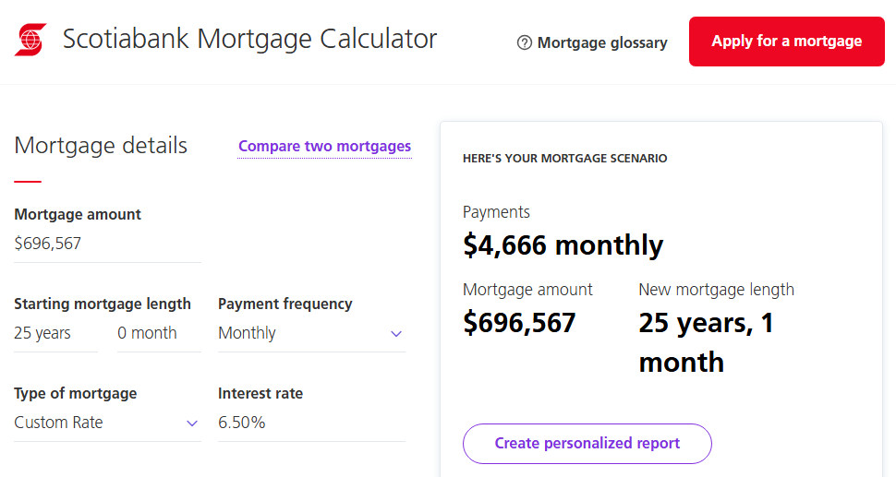
 | P/Y | 12 |  | P/Y | 12
 | xP/Y = N | 300 |  | xP/Y = N | 300
 | I/Y | 6.50% | Nominal Rate | I/Y | 8.50%
 | PV | $696,517 |  | PV | $696,517
 | FV | $0.00 |  | FV | $0.00
 | CPT PMT | ($4,677.60) |  | CPT PMT | ($5,569.10) | 19.06%
 | Total Payments | $1,403,279.54 |  | Total Payments | $1,670,729.72 | 19.06%
 | Interest | $706,762.13 |  | Interest | $974,212.31 | 37.84%

