Quick Calc
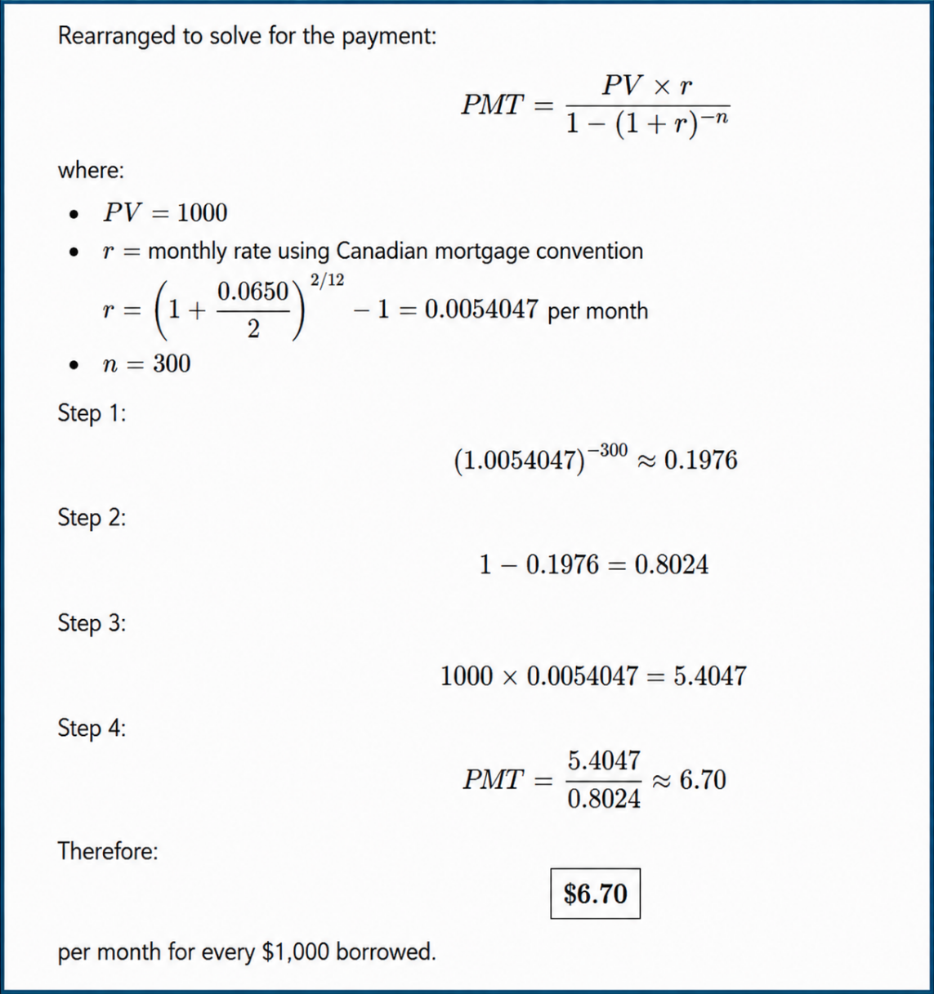
 | Example A
Step 1: Determine your monthly gross income (annual income divided by 12). | $200,000
 |  | 12
Step 2: With a down payment of at least 10 percent, lenders use 32 percent of monthly gross income as a guideline for the GDS ratio, and 40 percent of monthly gross income as a guideline for the TDS ratio. | $16,667
 |  | 40%
 | $6,667
Step 3: Subtract other debt payments (e.g., payments on an auto loan) and an estimate of the monthly cost of property taxes, heating, and half of the condo fees if applicable. | $(2,000)

(a) Affordable monthly mortgage payment | $4,667

Step 4: Divide this amount by the monthly mortgage payment based on current mortgage rates—a 6.5 percent, 25-year loan, for example (see table) and multiply by $1,000. | $6.70 | $1,000.00

(b) Affordable mortgage amount | $696,517
Step 5: Divide your affordable mortgage amount by 1 minus the fractional portion of your down payment (e.g., a 25 percent down payment). |  | 25%
(c) Affordable home purchase price | $928,690

 |  |  | Term Rate | 25 Years | 20 Years | 15 Years
 |  |  | 4.0% | $5.26 | $6.04 | $7.38
 |  |  | 4.5% | $5.53 | $6.30 | $7.63
 |  |  | 5.0% | $5.83 | $6.57 | $7.88
 |  |  | 5.5% | $6.10 | $6.84 | $8.14
 |  |  | 6.0% | $6.40 | $7.12 | $8.40
 |  |  | 6.5% | $6.70 | $7.41 | $8.66
 |  |  | 7.0% | $7.00 | $7.69 | $8.93
 |  |  | 7.5% | $7.32 | $7.99 | $9.21
 |  |  | 8.0% | $7.63 | $8.28 | $9.48
 |  |  | 8.5% | $7.95 | $8.59 | $9.76
 |  |  | 9.0% | $8.28 | $8.89 | $10.05
 |  |  | 9.5% | $8.61 | $9.20 | $10.33
 |  |  | 10.0% | $8.94 | $9.52 | $10.62

25 Year Pay BGN
 | Time | 0 | 1 | 2 | 3 | 4 | 5 | 6 | 7 | 8 | 9 | 10 | 11 | 12 | 13 | 14 | 15 | 16 | 17 | 18 | 19 | 20 | 21 | 22 | 23 | 24 | 25 | 26 | 27 | 28 | 29 | 30 | 31 | 32 | 33 | 34 | 35 | 36 | 37 | 38 | 39 | 40 | 41 | 42 | 43 | 44 | 45 | 46 | 47 | 48 | 49 | 50 | 51 | 52 | 53 | 54 | 55 | 56 | 57 | 58 | 59 | 60 | 61 | 62 | 63 | 64 | 65 | 66 | 67 | 68 | 69 | 70 | 71 | 72 | 73 | 74 | 75 | 76 | 77 | 78 | 79 | 80 | 81 | 82 | 83 | 84 | 85 | 86 | 87 | 88 | 89 | 90 | 91 | 92 | 93 | 94 | 95 | 96 | 97 | 98 | 99 | 100 | 101 | 102 | 103 | 104 | 105 | 106 | 107 | 108 | 109 | 110 | 111 | 112 | 113 | 114 | 115 | 116 | 117 | 118 | 119 | 120 | 121 | 122 | 123 | 124 | 125 | 126 | 127 | 128 | 129 | 130 | 131 | 132 | 133 | 134 | 135 | 136 | 137 | 138 | 139 | 140 | 141 | 142 | 143 | 144 | 145 | 146 | 147 | 148 | 149 | 150 | 151 | 152 | 153 | 154 | 155 | 156 | 157 | 158 | 159 | 160 | 161 | 162 | 163 | 164 | 165 | 166 | 167 | 168 | 169 | 170 | 171 | 172 | 173 | 174 | 175 | 176 | 177 | 178 | 179 | 180 | 181 | 182 | 183 | 184 | 185 | 186 | 187 | 188 | 189 | 190 | 191 | 192 | 193 | 194 | 195 | 196 | 197 | 198 | 199 | 200 | 201 | 202 | 203 | 204 | 205 | 206 | 207 | 208 | 209 | 210 | 211 | 212 | 213 | 214 | 215 | 216 | 217 | 218 | 219 | 220 | 221 | 222 | 223 | 224 | 225 | 226 | 227 | 228 | 229 | 230 | 231 | 232 | 233 | 234 | 235 | 236 | 237 | 238 | 239 | 240 | 241 | 242 | 243 | 244 | 245 | 246 | 247 | 248 | 249 | 250 | 251 | 252 | 253
 | Principal Opening Balance | $696,517.41 |  | $691,840 | $690,910 | $689,975 | $689,034 | $688,089 | $687,138 | $686,183 | $685,222 | $684,256 | $683,285 | $682,308 | $681,327 | $680,340 | $679,347 | $678,349 | $677,346 | $676,338 | $675,323 | $674,304 | $673,279 | $672,248 | $671,212 | $670,170 | $669,122 | $668,069 | $667,010 | $665,946 | $664,875 | $663,799 | $662,717 | $661,629 | $660,535 | $659,436 | $658,330 | $657,218 | $656,101 | $654,977 | $653,847 | $652,711 | $651,569 | $650,421 | $649,267 | $648,106 | $646,939 | $645,765 | $644,586 | $643,400 | $642,207 | $641,008 | $639,803 | $638,591 | $637,372 | $636,147 | $634,915 | $633,677 | $632,431 | $631,180 | $629,921 | $628,655 | $627,383 | $626,104 | $624,817 | $623,524 | $622,224 | $620,917 | $619,603 | $618,281 | $616,953 | $615,617 | $614,274 | $612,924 | $611,566 | $610,201 | $608,829 | $607,449 | $606,062 | $604,667 | $603,265 | $601,855 | $600,437 | $599,012 | $597,579 | $596,138 | $594,690 | $593,233 | $591,769 | $590,297 | $588,817 | $587,329 | $585,832 | $584,328 | $582,815 | $581,295 | $579,766 | $578,229 | $576,683 | $575,129 | $573,567 | $571,996 | $570,417 | $568,829 | $567,233 | $565,627 | $564,014 | $562,391 | $560,760 | $559,120 | $557,471 | $555,813 | $554,146 | $552,470 | $550,785 | $549,091 | $547,387 | $545,675 | $543,953 | $542,222 | $540,481 | $538,731 | $536,972 | $535,203 | $533,424 | $531,636 | $529,838 | $528,030 | $526,213 | $524,385 | $522,548 | $520,701 | $518,844 | $516,977 | $515,100 | $513,212 | $511,314 | $509,406 | $507,488 | $505,559 | $503,620 | $501,671 | $499,710 | $497,739 | $495,758 | $493,766 | $491,763 | $489,749 | $487,724 | $485,688 | $483,641 | $481,584 | $479,515 | $477,434 | $475,343 | $473,240 | $471,126 | $469,000 | $466,863 | $464,714 | $462,554 | $460,382 | $458,198 | $456,002 | $453,795 | $451,575 | $449,343 | $447,100 | $444,844 | $442,576 | $440,296 | $438,003 | $435,698 | $433,380 | $431,050 | $428,707 | $426,352 | $423,984 | $421,603 | $419,209 | $416,802 | $414,382 | $411,949 | $409,503 | $407,043 | $404,571 | $402,084 | $399,585 | $397,072 | $394,545 | $392,004 | $389,450 | $386,882 | $384,300 | $381,704 | $379,094 | $376,470 | $373,831 | $371,179 | $368,512 | $365,830 | $363,134 | $360,424 | $357,698 | $354,958 | $352,203 | $349,434 | $346,649 | $343,849 | $341,034 | $338,203 | $335,358 | $332,497 | $329,620 | $326,728 | $323,820 | $320,896 | $317,957 | $315,002 | $312,030 | $309,043 | $306,039 | $303,019 | $299,983 | $296,931 | $293,861 | $290,775 | $287,673 | $284,554 | $281,417 | $278,264 | $275,094 | $271,906 | $268,701 | $265,479 | $262,240 | $258,983 | $255,708 | $252,415 | $249,105 | $245,777 | $242,430 | $239,066 | $235,683 | $232,282 | $228,863 | $225,425 | $221,968 | $218,493 | $214,999 | $211,486 | $207,954 | $204,403 | $200,832 | $197,243
 | Payment |  | $4,678 | $4,678 | $4,678 | $4,678 | $4,678 | $4,678 | $4,678 | $4,678 | $4,678 | $4,678 | $4,678 | $4,678 | $4,678 | $4,678 | $4,678 | $4,678 | $4,678 | $4,678 | $4,678 | $4,678 | $4,678 | $4,678 | $4,678 | $4,678 | $4,678 | $4,678 | $4,678 | $4,678 | $4,678 | $4,678 | $4,678 | $4,678 | $4,678 | $4,678 | $4,678 | $4,678 | $4,678 | $4,678 | $4,678 | $4,678 | $4,678 | $4,678 | $4,678 | $4,678 | $4,678 | $4,678 | $4,678 | $4,678 | $4,678 | $4,678 | $4,678 | $4,678 | $4,678 | $4,678 | $4,678 | $4,678 | $4,678 | $4,678 | $4,678 | $4,678 | $4,678 | $4,678 | $4,678 | $4,678 | $4,678 | $4,678 | $4,678 | $4,678 | $4,678 | $4,678 | $4,678 | $4,678 | $4,678 | $4,678 | $4,678 | $4,678 | $4,678 | $4,678 | $4,678 | $4,678 | $4,678 | $4,678 | $4,678 | $4,678 | $4,678 | $4,678 | $4,678 | $4,678 | $4,678 | $4,678 | $4,678 | $4,678 | $4,678 | $4,678 | $4,678 | $4,678 | $4,678 | $4,678 | $4,678 | $4,678 | $4,678 | $4,678 | $4,678 | $4,678 | $4,678 | $4,678 | $4,678 | $4,678 | $4,678 | $4,678 | $4,678 | $4,678 | $4,678 | $4,678 | $4,678 | $4,678 | $4,678 | $4,678 | $4,678 | $4,678 | $4,678 | $4,678 | $4,678 | $4,678 | $4,678 | $4,678 | $4,678 | $4,678 | $4,678 | $4,678 | $4,678 | $4,678 | $4,678 | $4,678 | $4,678 | $4,678 | $4,678 | $4,678 | $4,678 | $4,678 | $4,678 | $4,678 | $4,678 | $4,678 | $4,678 | $4,678 | $4,678 | $4,678 | $4,678 | $4,678 | $4,678 | $4,678 | $4,678 | $4,678 | $4,678 | $4,678 | $4,678 | $4,678 | $4,678 | $4,678 | $4,678 | $4,678 | $4,678 | $4,678 | $4,678 | $4,678 | $4,678 | $4,678 | $4,678 | $4,678 | $4,678 | $4,678 | $4,678 | $4,678 | $4,678 | $4,678 | $4,678 | $4,678 | $4,678 | $4,678 | $4,678 | $4,678 | $4,678 | $4,678 | $4,678 | $4,678 | $4,678 | $4,678 | $4,678 | $4,678 | $4,678 | $4,678 | $4,678 | $4,678 | $4,678 | $4,678 | $4,678 | $4,678 | $4,678 | $4,678 | $4,678 | $4,678 | $4,678 | $4,678 | $4,678 | $4,678 | $4,678 | $4,678 | $4,678 | $4,678 | $4,678 | $4,678 | $4,678 | $4,678 | $4,678 | $4,678 | $4,678 | $4,678 | $4,678 | $4,678 | $4,678 | $4,678 | $4,678 | $4,678 | $4,678 | $4,678 | $4,678 | $4,678 | $4,678 | $4,678 | $4,678 | $4,678 | $4,678 | $4,678 | $4,678 | $4,678 | $4,678 | $4,678 | $4,678 | $4,678 | $4,678 | $4,678 | $4,678 | $4,678 | $4,678 | $4,678 | $4,678 | $4,678 | $4,678 | $4,678 | $4,678 | $4,678 | $4,678
0.54% | Interest Payment | BGN | $- | $3,747 | $3,742 | $3,737 | $3,732 | $3,727 | $3,722 | $3,717 | $3,712 | $3,706 | $3,701 | $3,696 | $3,691 | $3,685 | $3,680 | $3,674 | $3,669 | $3,663 | $3,658 | $3,652 | $3,647 | $3,641 | $3,636 | $3,630 | $3,624 | $3,619 | $3,613 | $3,607 | $3,601 | $3,596 | $3,590 | $3,584 | $3,578 | $3,572 | $3,566 | $3,560 | $3,554 | $3,548 | $3,542 | $3,536 | $3,529 | $3,523 | $3,517 | $3,511 | $3,504 | $3,498 | $3,492 | $3,485 | $3,479 | $3,472 | $3,466 | $3,459 | $3,452 | $3,446 | $3,439 | $3,432 | $3,426 | $3,419 | $3,412 | $3,405 | $3,398 | $3,391 | $3,384 | $3,377 | $3,370 | $3,363 | $3,356 | $3,349 | $3,342 | $3,335 | $3,327 | $3,320 | $3,313 | $3,305 | $3,298 | $3,290 | $3,283 | $3,275 | $3,268 | $3,260 | $3,252 | $3,245 | $3,237 | $3,229 | $3,221 | $3,213 | $3,205 | $3,197 | $3,189 | $3,181 | $3,173 | $3,165 | $3,157 | $3,149 | $3,140 | $3,132 | $3,124 | $3,115 | $3,107 | $3,098 | $3,090 | $3,081 | $3,073 | $3,064 | $3,055 | $3,046 | $3,037 | $3,029 | $3,020 | $3,011 | $3,002 | $2,993 | $2,983 | $2,974 | $2,965 | $2,956 | $2,946 | $2,937 | $2,928 | $2,918 | $2,909 | $2,899 | $2,889 | $2,880 | $2,870 | $2,860 | $2,850 | $2,840 | $2,830 | $2,820 | $2,810 | $2,800 | $2,790 | $2,780 | $2,770 | $2,759 | $2,749 | $2,738 | $2,728 | $2,717 | $2,707 | $2,696 | $2,685 | $2,675 | $2,664 | $2,653 | $2,642 | $2,631 | $2,620 | $2,609 | $2,597 | $2,586 | $2,575 | $2,563 | $2,552 | $2,540 | $2,529 | $2,517 | $2,505 | $2,494 | $2,482 | $2,470 | $2,458 | $2,446 | $2,434 | $2,422 | $2,410 | $2,397 | $2,385 | $2,373 | $2,360 | $2,347 | $2,335 | $2,322 | $2,309 | $2,297 | $2,284 | $2,271 | $2,258 | $2,245 | $2,231 | $2,218 | $2,205 | $2,191 | $2,178 | $2,164 | $2,151 | $2,137 | $2,123 | $2,110 | $2,096 | $2,082 | $2,068 | $2,053 | $2,039 | $2,025 | $2,011 | $1,996 | $1,982 | $1,967 | $1,952 | $1,938 | $1,923 | $1,908 | $1,893 | $1,878 | $1,863 | $1,847 | $1,832 | $1,817 | $1,801 | $1,785 | $1,770 | $1,754 | $1,738 | $1,722 | $1,706 | $1,690 | $1,674 | $1,658 | $1,641 | $1,625 | $1,608 | $1,592 | $1,575 | $1,558 | $1,541 | $1,524 | $1,507 | $1,490 | $1,473 | $1,455 | $1,438 | $1,420 | $1,403 | $1,385 | $1,367 | $1,349 | $1,331 | $1,313 | $1,295 | $1,277 | $1,258 | $1,240 | $1,221 | $1,202 | $1,184 | $1,165 | $1,146 | $1,126 | $1,107 | $1,088 | $1,068
 | Principal Payment |  | $4,678 | $930 | $935 | $940 | $945 | $950 | $956 | $961 | $966 | $971 | $976 | $982 | $987 | $992 | $998 | $1,003 | $1,009 | $1,014 | $1,020 | $1,025 | $1,031 | $1,036 | $1,042 | $1,048 | $1,053 | $1,059 | $1,065 | $1,070 | $1,076 | $1,082 | $1,088 | $1,094 | $1,100 | $1,106 | $1,112 | $1,118 | $1,124 | $1,130 | $1,136 | $1,142 | $1,148 | $1,154 | $1,161 | $1,167 | $1,173 | $1,180 | $1,186 | $1,193 | $1,199 | $1,205 | $1,212 | $1,219 | $1,225 | $1,232 | $1,238 | $1,245 | $1,252 | $1,259 | $1,266 | $1,272 | $1,279 | $1,286 | $1,293 | $1,300 | $1,307 | $1,314 | $1,321 | $1,329 | $1,336 | $1,343 | $1,350 | $1,358 | $1,365 | $1,372 | $1,380 | $1,387 | $1,395 | $1,402 | $1,410 | $1,418 | $1,425 | $1,433 | $1,441 | $1,449 | $1,456 | $1,464 | $1,472 | $1,480 | $1,488 | $1,496 | $1,504 | $1,512 | $1,521 | $1,529 | $1,537 | $1,546 | $1,554 | $1,562 | $1,571 | $1,579 | $1,588 | $1,596 | $1,605 | $1,614 | $1,623 | $1,631 | $1,640 | $1,649 | $1,658 | $1,667 | $1,676 | $1,685 | $1,694 | $1,703 | $1,713 | $1,722 | $1,731 | $1,741 | $1,750 | $1,759 | $1,769 | $1,779 | $1,788 | $1,798 | $1,808 | $1,817 | $1,827 | $1,837 | $1,847 | $1,857 | $1,867 | $1,877 | $1,887 | $1,898 | $1,908 | $1,918 | $1,929 | $1,939 | $1,950 | $1,960 | $1,971 | $1,982 | $1,992 | $2,003 | $2,014 | $2,025 | $2,036 | $2,047 | $2,058 | $2,069 | $2,080 | $2,091 | $2,103 | $2,114 | $2,126 | $2,137 | $2,149 | $2,160 | $2,172 | $2,184 | $2,196 | $2,208 | $2,220 | $2,232 | $2,244 | $2,256 | $2,268 | $2,280 | $2,293 | $2,305 | $2,318 | $2,330 | $2,343 | $2,355 | $2,368 | $2,381 | $2,394 | $2,407 | $2,420 | $2,433 | $2,446 | $2,459 | $2,473 | $2,486 | $2,500 | $2,513 | $2,527 | $2,540 | $2,554 | $2,568 | $2,582 | $2,596 | $2,610 | $2,624 | $2,638 | $2,653 | $2,667 | $2,681 | $2,696 | $2,711 | $2,725 | $2,740 | $2,755 | $2,770 | $2,785 | $2,800 | $2,815 | $2,830 | $2,846 | $2,861 | $2,877 | $2,892 | $2,908 | $2,924 | $2,939 | $2,955 | $2,971 | $2,987 | $3,004 | $3,020 | $3,036 | $3,053 | $3,069 | $3,086 | $3,103 | $3,119 | $3,136 | $3,153 | $3,170 | $3,188 | $3,205 | $3,222 | $3,240 | $3,257 | $3,275 | $3,293 | $3,310 | $3,328 | $3,346 | $3,364 | $3,383 | $3,401 | $3,419 | $3,438 | $3,457 | $3,475 | $3,494 | $3,513 | $3,532 | $3,551 | $3,570 | $3,590 | $3,609
 | Principal Closing Balance |  | $691,840 | $690,910 | $689,975 | $689,034 | $688,089 | $687,138 | $686,183 | $685,222 | $684,256 | $683,285 | $682,308 | $681,327 | $680,340 | $679,347 | $678,349 | $677,346 | $676,338 | $675,323 | $674,304 | $673,279 | $672,248 | $671,212 | $670,170 | $669,122 | $668,069 | $667,010 | $665,946 | $664,875 | $663,799 | $662,717 | $661,629 | $660,535 | $659,436 | $658,330 | $657,218 | $656,101 | $654,977 | $653,847 | $652,711 | $651,569 | $650,421 | $649,267 | $648,106 | $646,939 | $645,765 | $644,586 | $643,400 | $642,207 | $641,008 | $639,803 | $638,591 | $637,372 | $636,147 | $634,915 | $633,677 | $632,431 | $631,180 | $629,921 | $628,655 | $627,383 | $626,104 | $624,817 | $623,524 | $622,224 | $620,917 | $619,603 | $618,281 | $616,953 | $615,617 | $614,274 | $612,924 | $611,566 | $610,201 | $608,829 | $607,449 | $606,062 | $604,667 | $603,265 | $601,855 | $600,437 | $599,012 | $597,579 | $596,138 | $594,690 | $593,233 | $591,769 | $590,297 | $588,817 | $587,329 | $585,832 | $584,328 | $582,815 | $581,295 | $579,766 | $578,229 | $576,683 | $575,129 | $573,567 | $571,996 | $570,417 | $568,829 | $567,233 | $565,627 | $564,014 | $562,391 | $560,760 | $559,120 | $557,471 | $555,813 | $554,146 | $552,470 | $550,785 | $549,091 | $547,387 | $545,675 | $543,953 | $542,222 | $540,481 | $538,731 | $536,972 | $535,203 | $533,424 | $531,636 | $529,838 | $528,030 | $526,213 | $524,385 | $522,548 | $520,701 | $518,844 | $516,977 | $515,100 | $513,212 | $511,314 | $509,406 | $507,488 | $505,559 | $503,620 | $501,671 | $499,710 | $497,739 | $495,758 | $493,766 | $491,763 | $489,749 | $487,724 | $485,688 | $483,641 | $481,584 | $479,515 | $477,434 | $475,343 | $473,240 | $471,126 | $469,000 | $466,863 | $464,714 | $462,554 | $460,382 | $458,198 | $456,002 | $453,795 | $451,575 | $449,343 | $447,100 | $444,844 | $442,576 | $440,296 | $438,003 | $435,698 | $433,380 | $431,050 | $428,707 | $426,352 | $423,984 | $421,603 | $419,209 | $416,802 | $414,382 | $411,949 | $409,503 | $407,043 | $404,571 | $402,084 | $399,585 | $397,072 | $394,545 | $392,004 | $389,450 | $386,882 | $384,300 | $381,704 | $379,094 | $376,470 | $373,831 | $371,179 | $368,512 | $365,830 | $363,134 | $360,424 | $357,698 | $354,958 | $352,203 | $349,434 | $346,649 | $343,849 | $341,034 | $338,203 | $335,358 | $332,497 | $329,620 | $326,728 | $323,820 | $320,896 | $317,957 | $315,002 | $312,030 | $309,043 | $306,039 | $303,019 | $299,983 | $296,931 | $293,861 | $290,775 | $287,673 | $284,554 | $281,417 | $278,264 | $275,094 | $271,906 | $268,701 | $265,479 | $262,240 | $258,983 | $255,708 | $252,415 | $249,105 | $245,777 | $242,430 | $239,066 | $235,683 | $232,282 | $228,863 | $225,425 | $221,968 | $218,493 | $214,999 | $211,486 | $207,954 | $204,403 | $200,832 | $197,243 | $193,633

 |  |  |  |  | STRESS TEST |  |  |  |  |  |  |  |  |  |  |  |  |  |  |  |  |  |  |  |  |  |  |  |  |  |  |  |  |  |  |  |  |  |  |  |  |  |  |  |  |  |  |  |  |  |  |  |  |  |  |  |  |  |  | Principal Closing Balance |  | $627,382.91
 | Mode = BGN | 1 | BGN | Mode = END | 1 |  |  | https://www.scotiabank.com/ca/en/personal/mortgages/mortgage-calculator.html
 | xYears | 25 |  | xYears | 25
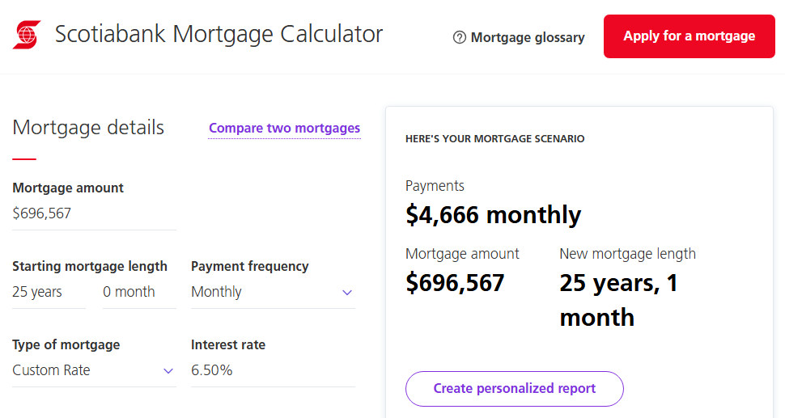
 | P/Y | 12 |  | P/Y | 12
 | xP/Y = N | 300 |  | xP/Y = N | 300
 | I/Y | 6.50% | Nominal Rate | I/Y | 8.50%
 | PV | $696,517 |  | PV | $696,517
 | FV | $0.00 |  | FV | $0.00
 | CPT PMT | ($4,677.60) |  | CPT PMT | ($5,569.10) | 19.06%
 | Total Payments | $1,403,279.54 |  | Total Payments | $1,670,729.72 | 19.06%
 | Interest | $706,762.13 |  | Interest | $974,212.31 | 37.84%

30 Year Pay BGN
 | Time | 0 | 1 | 2 | 3 | 4 | 5 | 6 | 7 | 8 | 9 | 10 | 11 | 12 | 13 | 14 | 15 | 16 | 17 | 18 | 19 | 20 | 21 | 22 | 23 | 24 | 25 | 26 | 27 | 28 | 29 | 30 | 31 | 32 | 33 | 34 | 35 | 36 | 37 | 38 | 39 | 40 | 41 | 42 | 43 | 44 | 45 | 46 | 47 | 48 | 49 | 50 | 51 | 52 | 53 | 54 | 55 | 56 | 57 | 58 | 59 | 60 | 61 | 62 | 63 | 64 | 65 | 66 | 67 | 68 | 69 | 70 | 71 | 72 | 73 | 74 | 75 | 76 | 77 | 78 | 79 | 80 | 81 | 82 | 83 | 84 | 85 | 86 | 87 | 88 | 89 | 90 | 91 | 92 | 93 | 94 | 95 | 96 | 97 | 98 | 99 | 100 | 101 | 102 | 103 | 104 | 105 | 106 | 107 | 108 | 109 | 110 | 111 | 112 | 113 | 114 | 115 | 116 | 117 | 118 | 119 | 120 | 121 | 122 | 123 | 124 | 125 | 126 | 127 | 128 | 129 | 130 | 131 | 132 | 133 | 134 | 135 | 136 | 137 | 138 | 139 | 140 | 141 | 142 | 143 | 144 | 145 | 146 | 147 | 148 | 149 | 150 | 151 | 152 | 153 | 154 | 155 | 156 | 157 | 158 | 159 | 160 | 161 | 162 | 163 | 164 | 165 | 166 | 167 | 168 | 169 | 170 | 171 | 172 | 173 | 174 | 175 | 176 | 177 | 178 | 179 | 180 | 181 | 182 | 183 | 184 | 185 | 186 | 187 | 188 | 189 | 190 | 191 | 192 | 193 | 194 | 195 | 196 | 197 | 198 | 199 | 200 | 201 | 202 | 203 | 204 | 205 | 206 | 207 | 208 | 209 | 210 | 211 | 212 | 213 | 214 | 215 | 216 | 217 | 218 | 219 | 220 | 221 | 222 | 223 | 224 | 225 | 226 | 227 | 228 | 229 | 230 | 231 | 232 | 233 | 234 | 235 | 236 | 237 | 238 | 239 | 240 | 241 | 242 | 243 | 244 | 245 | 246 | 247 | 248 | 249 | 250 | 251 | 252 | 253
 | Principal Opening Balance | $696,517.41 |  | $692,139 | $691,509 | $690,876 | $690,239 | $689,599 | $688,956 | $688,309 | $687,659 | $687,005 | $686,347 | $685,686 | $685,022 | $684,354 | $683,682 | $683,006 | $682,327 | $681,644 | $680,958 | $680,268 | $679,574 | $678,876 | $678,174 | $677,469 | $676,760 | $676,047 | $675,330 | $674,609 | $673,885 | $673,156 | $672,424 | $671,687 | $670,947 | $670,202 | $669,454 | $668,701 | $667,945 | $667,184 | $666,419 | $665,650 | $664,877 | $664,100 | $663,318 | $662,533 | $661,743 | $660,948 | $660,150 | $659,347 | $658,539 | $657,728 | $656,912 | $656,091 | $655,266 | $654,437 | $653,603 | $652,765 | $651,922 | $651,074 | $650,222 | $649,365 | $648,504 | $647,638 | $646,767 | $645,892 | $645,012 | $644,127 | $643,237 | $642,343 | $641,443 | $640,539 | $639,630 | $638,716 | $637,797 | $636,873 | $635,944 | $635,009 | $634,070 | $633,126 | $632,177 | $631,222 | $630,263 | $629,298 | $628,328 | $627,353 | $626,372 | $625,386 | $624,395 | $623,398 | $622,396 | $621,389 | $620,376 | $619,358 | $618,334 | $617,304 | $616,269 | $615,229 | $614,182 | $613,130 | $612,073 | $611,009 | $609,940 | $608,865 | $607,785 | $606,698 | $605,606 | $604,507 | $603,403 | $602,293 | $601,176 | $600,054 | $598,926 | $597,791 | $596,650 | $595,503 | $594,350 | $593,191 | $592,025 | $590,853 | $589,675 | $588,490 | $587,299 | $586,102 | $584,898 | $583,687 | $582,470 | $581,246 | $580,016 | $578,779 | $577,535 | $576,285 | $575,028 | $573,764 | $572,493 | $571,215 | $569,930 | $568,639 | $567,340 | $566,035 | $564,722 | $563,402 | $562,075 | $560,741 | $559,399 | $558,051 | $556,695 | $555,331 | $553,961 | $552,583 | $551,197 | $549,804 | $548,403 | $546,995 | $545,579 | $544,156 | $542,724 | $541,285 | $539,839 | $538,384 | $536,922 | $535,451 | $533,973 | $532,486 | $530,992 | $529,489 | $527,979 | $526,460 | $524,933 | $523,397 | $521,854 | $520,302 | $518,741 | $517,172 | $515,595 | $514,009 | $512,414 | $510,811 | $509,199 | $507,579 | $505,950 | $504,311 | $502,664 | $501,008 | $499,343 | $497,669 | $495,986 | $494,294 | $492,593 | $490,882 | $489,163 | $487,433 | $485,695 | $483,947 | $482,190 | $480,423 | $478,646 | $476,860 | $475,065 | $473,259 | $471,444 | $469,619 | $467,784 | $465,939 | $464,084 | $462,219 | $460,344 | $458,459 | $456,563 | $454,658 | $452,742 | $450,815 | $448,878 | $446,931 | $444,973 | $443,005 | $441,025 | $439,036 | $437,035 | $435,024 | $433,001 | $430,968 | $428,923 | $426,868 | $424,802 | $422,724 | $420,635 | $418,534 | $416,423 | $414,300 | $412,165 | $410,019 | $407,861 | $405,692 | $403,510 | $401,317 | $399,112 | $396,895 | $394,667 | $392,426 | $390,172 | $387,907 | $385,630 | $383,340 | $381,037 | $378,723 | $376,395 | $374,055 | $371,703 | $369,337 | $366,959 | $364,568 | $362,164 | $359,747 | $357,317
 | Payment |  | $4,379 | $4,379 | $4,379 | $4,379 | $4,379 | $4,379 | $4,379 | $4,379 | $4,379 | $4,379 | $4,379 | $4,379 | $4,379 | $4,379 | $4,379 | $4,379 | $4,379 | $4,379 | $4,379 | $4,379 | $4,379 | $4,379 | $4,379 | $4,379 | $4,379 | $4,379 | $4,379 | $4,379 | $4,379 | $4,379 | $4,379 | $4,379 | $4,379 | $4,379 | $4,379 | $4,379 | $4,379 | $4,379 | $4,379 | $4,379 | $4,379 | $4,379 | $4,379 | $4,379 | $4,379 | $4,379 | $4,379 | $4,379 | $4,379 | $4,379 | $4,379 | $4,379 | $4,379 | $4,379 | $4,379 | $4,379 | $4,379 | $4,379 | $4,379 | $4,379 | $4,379 | $4,379 | $4,379 | $4,379 | $4,379 | $4,379 | $4,379 | $4,379 | $4,379 | $4,379 | $4,379 | $4,379 | $4,379 | $4,379 | $4,379 | $4,379 | $4,379 | $4,379 | $4,379 | $4,379 | $4,379 | $4,379 | $4,379 | $4,379 | $4,379 | $4,379 | $4,379 | $4,379 | $4,379 | $4,379 | $4,379 | $4,379 | $4,379 | $4,379 | $4,379 | $4,379 | $4,379 | $4,379 | $4,379 | $4,379 | $4,379 | $4,379 | $4,379 | $4,379 | $4,379 | $4,379 | $4,379 | $4,379 | $4,379 | $4,379 | $4,379 | $4,379 | $4,379 | $4,379 | $4,379 | $4,379 | $4,379 | $4,379 | $4,379 | $4,379 | $4,379 | $4,379 | $4,379 | $4,379 | $4,379 | $4,379 | $4,379 | $4,379 | $4,379 | $4,379 | $4,379 | $4,379 | $4,379 | $4,379 | $4,379 | $4,379 | $4,379 | $4,379 | $4,379 | $4,379 | $4,379 | $4,379 | $4,379 | $4,379 | $4,379 | $4,379 | $4,379 | $4,379 | $4,379 | $4,379 | $4,379 | $4,379 | $4,379 | $4,379 | $4,379 | $4,379 | $4,379 | $4,379 | $4,379 | $4,379 | $4,379 | $4,379 | $4,379 | $4,379 | $4,379 | $4,379 | $4,379 | $4,379 | $4,379 | $4,379 | $4,379 | $4,379 | $4,379 | $4,379 | $4,379 | $4,379 | $4,379 | $4,379 | $4,379 | $4,379 | $4,379 | $4,379 | $4,379 | $4,379 | $4,379 | $4,379 | $4,379 | $4,379 | $4,379 | $4,379 | $4,379 | $4,379 | $4,379 | $4,379 | $4,379 | $4,379 | $4,379 | $4,379 | $4,379 | $4,379 | $4,379 | $4,379 | $4,379 | $4,379 | $4,379 | $4,379 | $4,379 | $4,379 | $4,379 | $4,379 | $4,379 | $4,379 | $4,379 | $4,379 | $4,379 | $4,379 | $4,379 | $4,379 | $4,379 | $4,379 | $4,379 | $4,379 | $4,379 | $4,379 | $4,379 | $4,379 | $4,379 | $4,379 | $4,379 | $4,379 | $4,379 | $4,379 | $4,379 | $4,379 | $4,379 | $4,379 | $4,379 | $4,379 | $4,379 | $4,379 | $4,379 | $4,379 | $4,379 | $4,379 | $4,379 | $4,379 | $4,379 | $4,379 | $4,379 | $4,379 | $4,379 | $4,379 | $4,379
0.54% | Interest Payment | BGN | $- | $3,749 | $3,746 | $3,742 | $3,739 | $3,735 | $3,732 | $3,728 | $3,725 | $3,721 | $3,718 | $3,714 | $3,711 | $3,707 | $3,703 | $3,700 | $3,696 | $3,692 | $3,689 | $3,685 | $3,681 | $3,677 | $3,673 | $3,670 | $3,666 | $3,662 | $3,658 | $3,654 | $3,650 | $3,646 | $3,642 | $3,638 | $3,634 | $3,630 | $3,626 | $3,622 | $3,618 | $3,614 | $3,610 | $3,606 | $3,601 | $3,597 | $3,593 | $3,589 | $3,584 | $3,580 | $3,576 | $3,571 | $3,567 | $3,563 | $3,558 | $3,554 | $3,549 | $3,545 | $3,540 | $3,536 | $3,531 | $3,527 | $3,522 | $3,517 | $3,513 | $3,508 | $3,503 | $3,499 | $3,494 | $3,489 | $3,484 | $3,479 | $3,474 | $3,470 | $3,465 | $3,460 | $3,455 | $3,450 | $3,445 | $3,440 | $3,435 | $3,429 | $3,424 | $3,419 | $3,414 | $3,409 | $3,403 | $3,398 | $3,393 | $3,388 | $3,382 | $3,377 | $3,371 | $3,366 | $3,360 | $3,355 | $3,349 | $3,344 | $3,338 | $3,332 | $3,327 | $3,321 | $3,315 | $3,310 | $3,304 | $3,298 | $3,292 | $3,286 | $3,280 | $3,274 | $3,268 | $3,262 | $3,256 | $3,250 | $3,244 | $3,238 | $3,232 | $3,226 | $3,219 | $3,213 | $3,207 | $3,200 | $3,194 | $3,188 | $3,181 | $3,175 | $3,168 | $3,162 | $3,155 | $3,148 | $3,142 | $3,135 | $3,128 | $3,122 | $3,115 | $3,108 | $3,101 | $3,094 | $3,087 | $3,080 | $3,073 | $3,066 | $3,059 | $3,052 | $3,045 | $3,037 | $3,030 | $3,023 | $3,015 | $3,008 | $3,001 | $2,993 | $2,986 | $2,978 | $2,971 | $2,963 | $2,955 | $2,948 | $2,940 | $2,932 | $2,924 | $2,916 | $2,908 | $2,900 | $2,892 | $2,884 | $2,876 | $2,868 | $2,860 | $2,852 | $2,843 | $2,835 | $2,827 | $2,818 | $2,810 | $2,801 | $2,793 | $2,784 | $2,776 | $2,767 | $2,758 | $2,749 | $2,741 | $2,732 | $2,723 | $2,714 | $2,705 | $2,696 | $2,687 | $2,677 | $2,668 | $2,659 | $2,650 | $2,640 | $2,631 | $2,621 | $2,612 | $2,602 | $2,593 | $2,583 | $2,573 | $2,563 | $2,554 | $2,544 | $2,534 | $2,524 | $2,514 | $2,504 | $2,494 | $2,483 | $2,473 | $2,463 | $2,452 | $2,442 | $2,431 | $2,421 | $2,410 | $2,400 | $2,389 | $2,378 | $2,367 | $2,356 | $2,345 | $2,334 | $2,323 | $2,312 | $2,301 | $2,290 | $2,278 | $2,267 | $2,256 | $2,244 | $2,233 | $2,221 | $2,209 | $2,197 | $2,186 | $2,174 | $2,162 | $2,150 | $2,138 | $2,126 | $2,113 | $2,101 | $2,089 | $2,076 | $2,064 | $2,051 | $2,039 | $2,026 | $2,013 | $2,001 | $1,988 | $1,975 | $1,962 | $1,949 | $1,935
 | Principal Payment |  | $4,379 | $630 | $633 | $637 | $640 | $643 | $647 | $650 | $654 | $657 | $661 | $665 | $668 | $672 | $675 | $679 | $683 | $687 | $690 | $694 | $698 | $702 | $705 | $709 | $713 | $717 | $721 | $725 | $729 | $732 | $736 | $740 | $744 | $748 | $753 | $757 | $761 | $765 | $769 | $773 | $777 | $782 | $786 | $790 | $794 | $799 | $803 | $807 | $812 | $816 | $820 | $825 | $829 | $834 | $838 | $843 | $848 | $852 | $857 | $861 | $866 | $871 | $875 | $880 | $885 | $890 | $895 | $899 | $904 | $909 | $914 | $919 | $924 | $929 | $934 | $939 | $944 | $949 | $954 | $960 | $965 | $970 | $975 | $981 | $986 | $991 | $997 | $1,002 | $1,007 | $1,013 | $1,018 | $1,024 | $1,029 | $1,035 | $1,041 | $1,046 | $1,052 | $1,058 | $1,063 | $1,069 | $1,075 | $1,081 | $1,087 | $1,092 | $1,098 | $1,104 | $1,110 | $1,116 | $1,122 | $1,128 | $1,135 | $1,141 | $1,147 | $1,153 | $1,159 | $1,166 | $1,172 | $1,178 | $1,185 | $1,191 | $1,198 | $1,204 | $1,211 | $1,217 | $1,224 | $1,230 | $1,237 | $1,244 | $1,250 | $1,257 | $1,264 | $1,271 | $1,278 | $1,285 | $1,292 | $1,299 | $1,306 | $1,313 | $1,320 | $1,327 | $1,334 | $1,341 | $1,349 | $1,356 | $1,363 | $1,371 | $1,378 | $1,386 | $1,393 | $1,401 | $1,408 | $1,416 | $1,424 | $1,431 | $1,439 | $1,447 | $1,455 | $1,462 | $1,470 | $1,478 | $1,486 | $1,494 | $1,503 | $1,511 | $1,519 | $1,527 | $1,535 | $1,544 | $1,552 | $1,560 | $1,569 | $1,577 | $1,586 | $1,595 | $1,603 | $1,612 | $1,621 | $1,629 | $1,638 | $1,647 | $1,656 | $1,665 | $1,674 | $1,683 | $1,692 | $1,701 | $1,711 | $1,720 | $1,729 | $1,738 | $1,748 | $1,757 | $1,767 | $1,776 | $1,786 | $1,796 | $1,805 | $1,815 | $1,825 | $1,835 | $1,845 | $1,855 | $1,865 | $1,875 | $1,885 | $1,895 | $1,906 | $1,916 | $1,926 | $1,937 | $1,947 | $1,958 | $1,968 | $1,979 | $1,990 | $2,001 | $2,011 | $2,022 | $2,033 | $2,044 | $2,055 | $2,067 | $2,078 | $2,089 | $2,100 | $2,112 | $2,123 | $2,135 | $2,146 | $2,158 | $2,169 | $2,181 | $2,193 | $2,205 | $2,217 | $2,229 | $2,241 | $2,253 | $2,265 | $2,278 | $2,290 | $2,302 | $2,315 | $2,327 | $2,340 | $2,353 | $2,365 | $2,378 | $2,391 | $2,404 | $2,417 | $2,430 | $2,443
 | Principal Closing Balance |  | $692,139 | $691,509 | $690,876 | $690,239 | $689,599 | $688,956 | $688,309 | $687,659 | $687,005 | $686,347 | $685,686 | $685,022 | $684,354 | $683,682 | $683,006 | $682,327 | $681,644 | $680,958 | $680,268 | $679,574 | $678,876 | $678,174 | $677,469 | $676,760 | $676,047 | $675,330 | $674,609 | $673,885 | $673,156 | $672,424 | $671,687 | $670,947 | $670,202 | $669,454 | $668,701 | $667,945 | $667,184 | $666,419 | $665,650 | $664,877 | $664,100 | $663,318 | $662,533 | $661,743 | $660,948 | $660,150 | $659,347 | $658,539 | $657,728 | $656,912 | $656,091 | $655,266 | $654,437 | $653,603 | $652,765 | $651,922 | $651,074 | $650,222 | $649,365 | $648,504 | $647,638 | $646,767 | $645,892 | $645,012 | $644,127 | $643,237 | $642,343 | $641,443 | $640,539 | $639,630 | $638,716 | $637,797 | $636,873 | $635,944 | $635,009 | $634,070 | $633,126 | $632,177 | $631,222 | $630,263 | $629,298 | $628,328 | $627,353 | $626,372 | $625,386 | $624,395 | $623,398 | $622,396 | $621,389 | $620,376 | $619,358 | $618,334 | $617,304 | $616,269 | $615,229 | $614,182 | $613,130 | $612,073 | $611,009 | $609,940 | $608,865 | $607,785 | $606,698 | $605,606 | $604,507 | $603,403 | $602,293 | $601,176 | $600,054 | $598,926 | $597,791 | $596,650 | $595,503 | $594,350 | $593,191 | $592,025 | $590,853 | $589,675 | $588,490 | $587,299 | $586,102 | $584,898 | $583,687 | $582,470 | $581,246 | $580,016 | $578,779 | $577,535 | $576,285 | $575,028 | $573,764 | $572,493 | $571,215 | $569,930 | $568,639 | $567,340 | $566,035 | $564,722 | $563,402 | $562,075 | $560,741 | $559,399 | $558,051 | $556,695 | $555,331 | $553,961 | $552,583 | $551,197 | $549,804 | $548,403 | $546,995 | $545,579 | $544,156 | $542,724 | $541,285 | $539,839 | $538,384 | $536,922 | $535,451 | $533,973 | $532,486 | $530,992 | $529,489 | $527,979 | $526,460 | $524,933 | $523,397 | $521,854 | $520,302 | $518,741 | $517,172 | $515,595 | $514,009 | $512,414 | $510,811 | $509,199 | $507,579 | $505,950 | $504,311 | $502,664 | $501,008 | $499,343 | $497,669 | $495,986 | $494,294 | $492,593 | $490,882 | $489,163 | $487,433 | $485,695 | $483,947 | $482,190 | $480,423 | $478,646 | $476,860 | $475,065 | $473,259 | $471,444 | $469,619 | $467,784 | $465,939 | $464,084 | $462,219 | $460,344 | $458,459 | $456,563 | $454,658 | $452,742 | $450,815 | $448,878 | $446,931 | $444,973 | $443,005 | $441,025 | $439,036 | $437,035 | $435,024 | $433,001 | $430,968 | $428,923 | $426,868 | $424,802 | $422,724 | $420,635 | $418,534 | $416,423 | $414,300 | $412,165 | $410,019 | $407,861 | $405,692 | $403,510 | $401,317 | $399,112 | $396,895 | $394,667 | $392,426 | $390,172 | $387,907 | $385,630 | $383,340 | $381,037 | $378,723 | $376,395 | $374,055 | $371,703 | $369,337 | $366,959 | $364,568 | $362,164 | $359,747 | $357,317 | $354,874

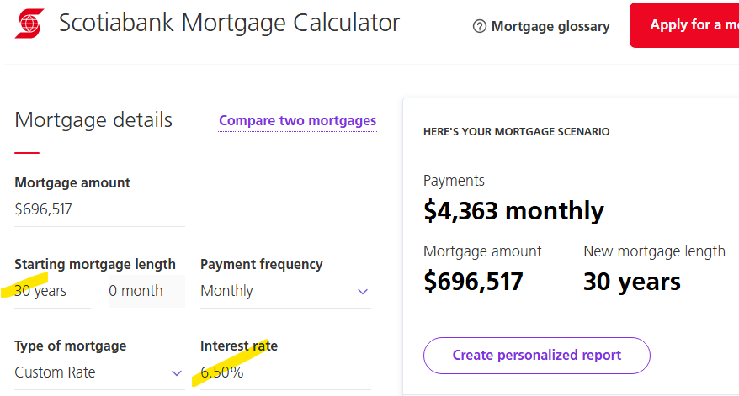
 |  |  |  |  | STRESS TEST |  |  |  |  |  |  |  |  |  |  |  |  |  |  |  |  |  |  |  |  |  |  |  |  |  |  |  |  |  |  |  |  |  |  |  |  |  |  |  |  |  |  |  |  |  |  |  |  |  |  |  |  |  |  | Principal Closing Balance |  | $648,504.03
 | Mode = BGN | 1 | BGN | Mode = END | 1 |  |  | https://www.scotiabank.com/ca/en/personal/mortgages/mortgage-calculator.html
 | xYears | 30 | 30 YEAR | xYears | 30
 | P/Y | 12 |  | P/Y | 12
 | xP/Y = N | 360 |  | xP/Y = N | 360
 | I/Y | 6.50% | Nominal Rate | I/Y | 8.50%
 | PV | $696,517 |  | PV | $696,517
 | FV | $0.00 |  | FV | $0.00
 | CPT PMT | ($4,378.75) |  | CPT PMT | ($5,317.95) | 21.45%
 | Total Payments | $1,576,348.43 |  | Total Payments | $1,914,461.10 | 21.45%
 | Interest | $879,831.02 |  | Interest | $1,217,943.69 | 38.43%

 | COMPARE 25

 | Mode = BGN | 1 | BGN | Mode = END | 1
 | xYears | 25 | 30 YEAR | xYears | 25
 | P/Y | 12 |  | P/Y | 12
 | xP/Y = N | 300 |  | xP/Y = N | 300
 | I/Y | 6.50% | Nominal Rate | I/Y | 8.50%
 | PV | $696,517 |  | PV | $696,517
 | FV | $0.00 |  | FV | ($0.09)
 | CPT PMT | ($4,677.60) |  | CPT PMT | ($5,569.10) | 19.06%
 | Total Payments | $1,403,279.54 |  | Total Payments | $1,670,729.69 | 19.06%
 | Interest | $706,762.13 |  | Interest | $974,212.28 | 37.84%
 | 30 YEAR > 25 YEAR
 | Total Payments | $173,068.89 | 12.33% | Total Payments | $243,731.41 | 14.59%
 | Interest | $706,762.13 | 24.49% | Interest | $243,731.41 | 25.02%

